Strategy Analysis
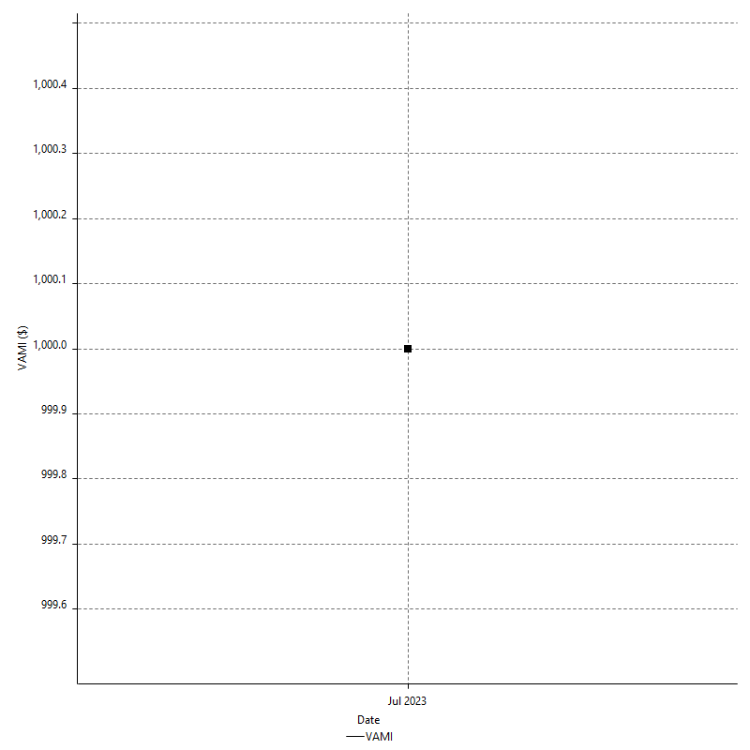
Strategy Performance Summary

 | All Trades | Long Trades | Short Trades
Net Profit | $856.00 | $856.00 | n/a
Gross Profit | $1259.50 | $1259.50 | n/a
Gross Loss | -$403.50 | -$403.50 | n/a
Adjusted Net Profit | $441.36 | $441.36 | n/a
Adjusted Gross Profit | $1046.61 | $1046.61 | n/a
Adjusted Gross Loss | -$605.25 | -$605.25 | n/a
Select Net Profit | $255.50 | $255.50 | n/a
Select Gross Profit | $659.00 | $659.00 | n/a
Select Gross Loss | -$403.50 | -$403.50 | n/a
Account Size Required | $391.50 | $391.50 | n/a
Return on Account | 218.65% | 218.65% | n/a
Return on Initial Capital | 0.86% | 0.86% | n/a
Max Strategy Drawdown | -$510.00 | -$510.00 | n/a
Max Strategy Drawdown (%) | -0.51% | -0.51% | n/a
Max Close To Close Drawdown | -$391.50 | -$391.50 | n/a
Max Close To Close Drawdown (%) | -0.39% | -0.39% | n/a
Return on Max Strategy Drawdown | 1.6784313725 | 1.6784313725 | n/a
Profit Factor | 3.1214374226 | 3.1214374226 | n/a
Adjusted Profit Factor | 1.7292121326 | 1.7292121326 | n/a
Select Profit Factor | 1.6332094176 | 1.6332094176 | n/a
Max # Contracts Held | 3 | 3 | 0
Slippage Paid | $0.00 | $0.00 | $0.00
Commission Paid | $0.00 | $0.00 | n/a
Open Position P/L | n/a | n/a | n/a
Annual Rate of Return | 27.76% | 27.76% | n/a
Monthly Rate of Return | 2.31% | 2.31% | n/a
Buy & Hold Return | $2139.78 | $2139.78 | n/a
Avg Monthly Return | $856.00 | $856.00 | $856.00
Monthly Return StdDev | n/a | n/a | n/a
Total # of Trades | 39 | 39 | 0
% Profitable | 89.74% | 89.74% | 0.00%

Performance Ratios

Upside Potential Ratio | n/a
Sharpe Ratio | n/a
Annualized Sharpe Ratio | n/a
Sortino Ratio | n/a
Fouse Ratio | n/a
Calmar Ratio | 0.143000143
Sterling Ratio | 0.0019976717136
RINA Index | 58.426270955
Net Profit as % of Largest loss | 655.94%
Net Profit as % of Max Trade Drawdown | 655.94%
Net Profit as % of Max Strategy Drawdown | 167.84%
Select Net Profit as % of Largest loss | 195.79%
Select Net Profit as % of Max Trade Drawdown | 195.79%
Select Net Profit as % of Max Strategy Drawdown | 50.10%
Adj Net Profit as % of Largest loss | 338.20%
Adj Net Profit as % of Max Trade Drawdown | 338.20%
Adj Net Profit as % of Max Strategy Drawdown | 86.54%

Time Analysis

Trading Period | 11 Dys, 6 Hrs, 18 Mins
Time in the Market | 1 Dy, 15 Hrs, 12 Mins
Percent in the Market | 14.50%
Longest flat period | 2 Dys, 20 Hrs, 24 Mins
Max Run-up Date | 2023-07-14
Max Drawdown Date | 2023-07-04
Max Strategy Drawdown Date | 7/10/23
Max Close To Close Drawdown Date | 7/7/23

Equity Curve Detailed

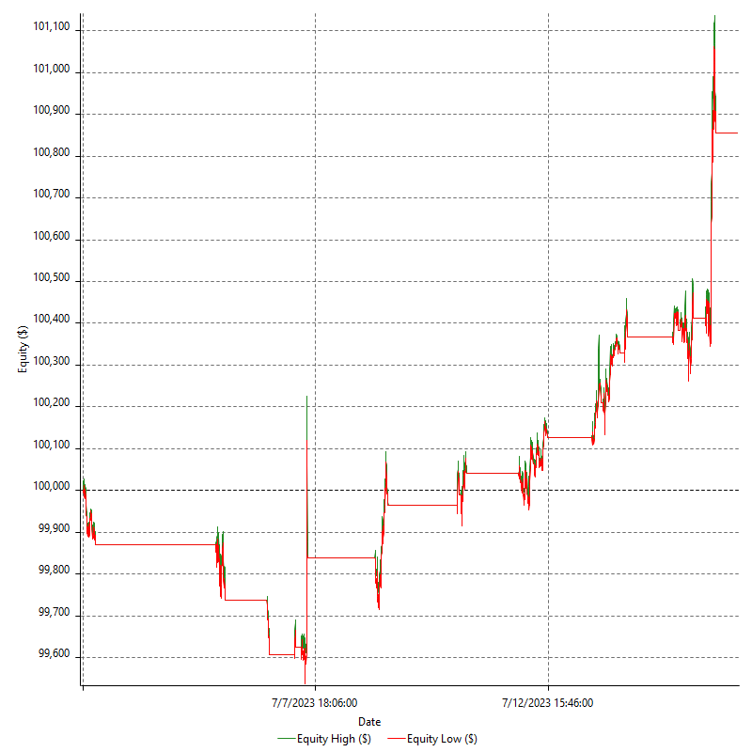

Equity Curve Detailed with DrawDown

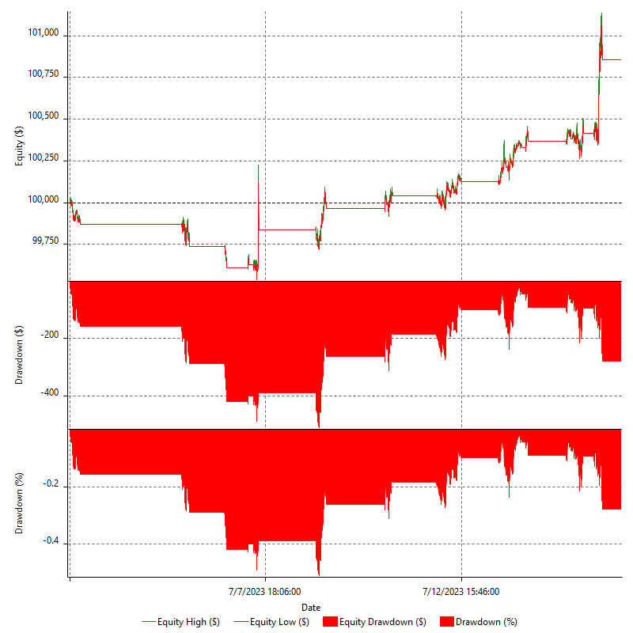

Equity Curve Detailed Long

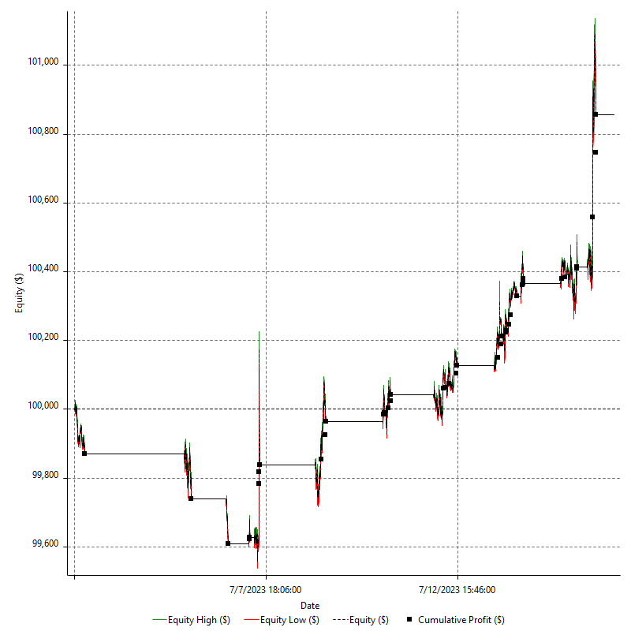

Equity Curve Detailed Short

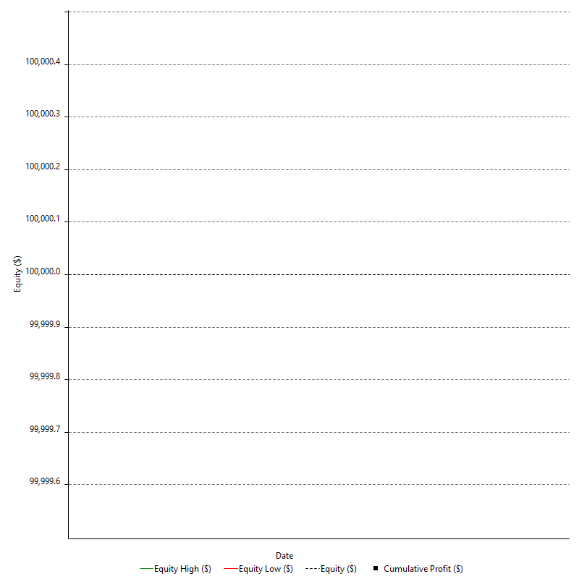

Equity Run-up & Drawdown

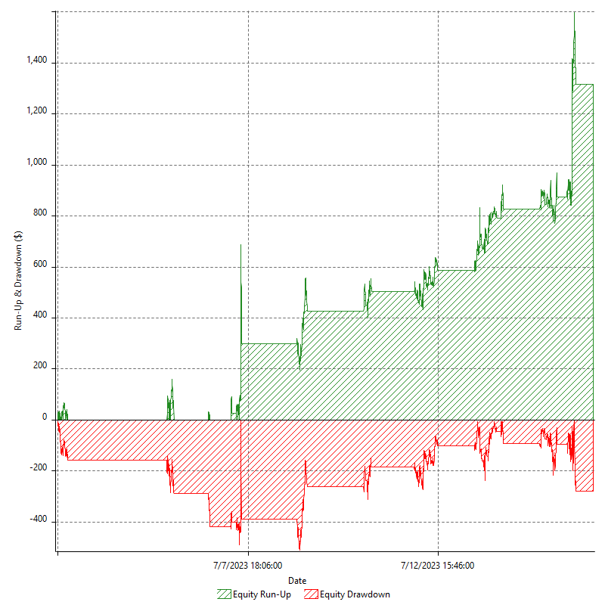

Equity Run-up & Drawdown (%)

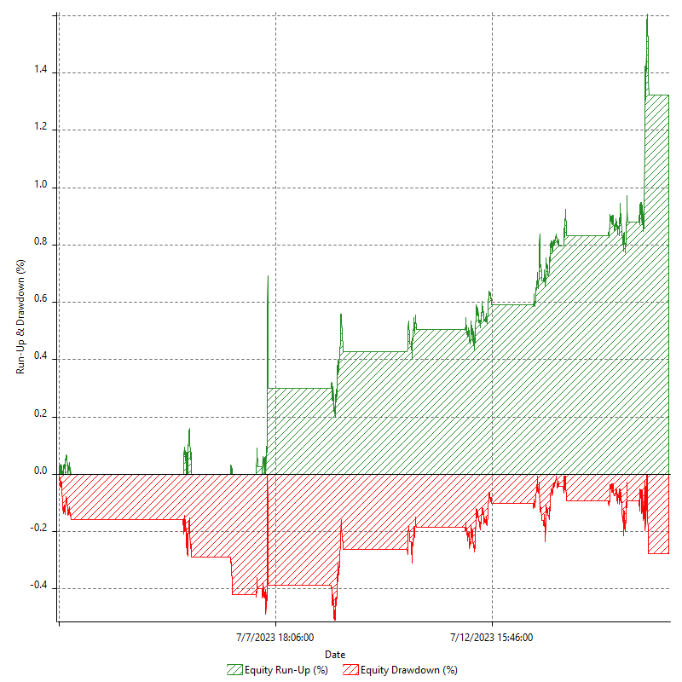

Equity Curve Close To Close

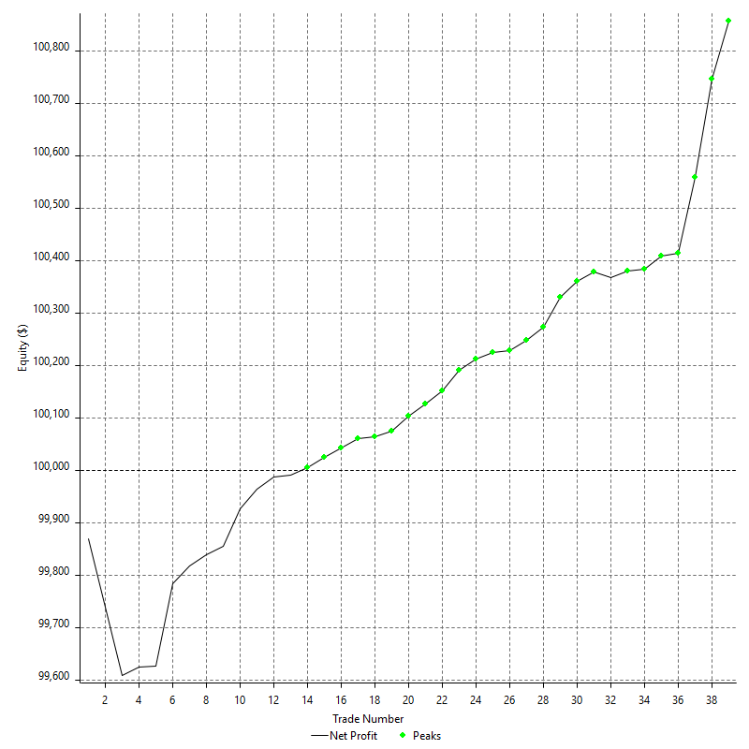

Equity Curve Close To Close With Drawdown

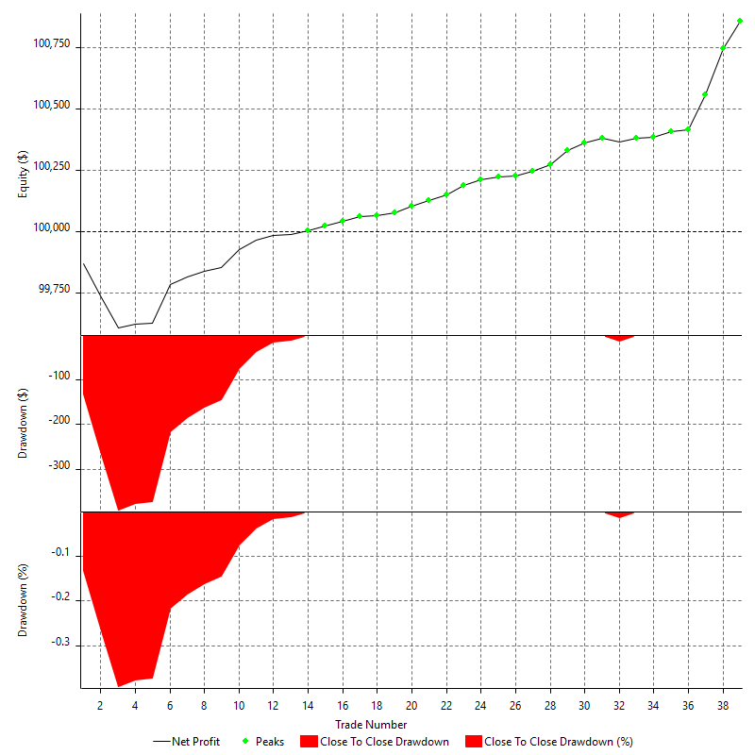

Buy & Hold Return

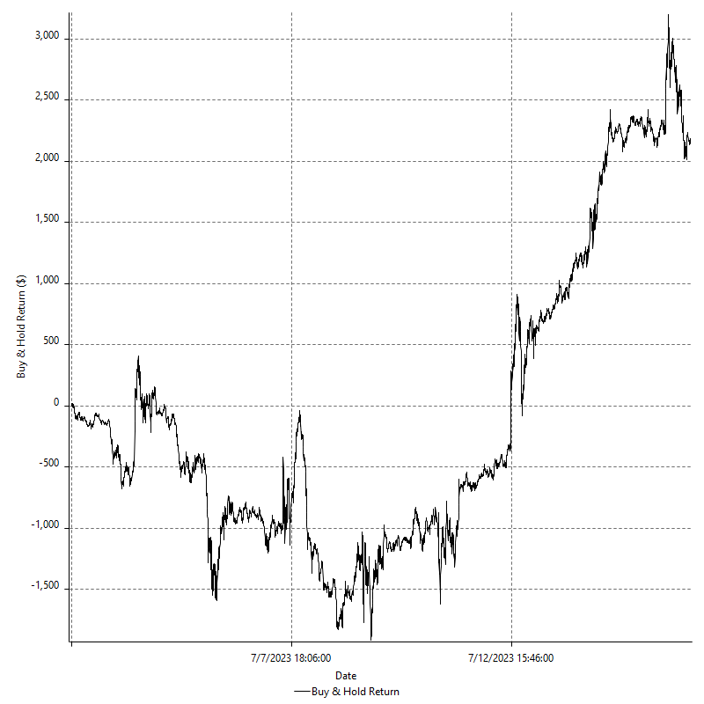

Value Added Monthly Index

Trade Analysis
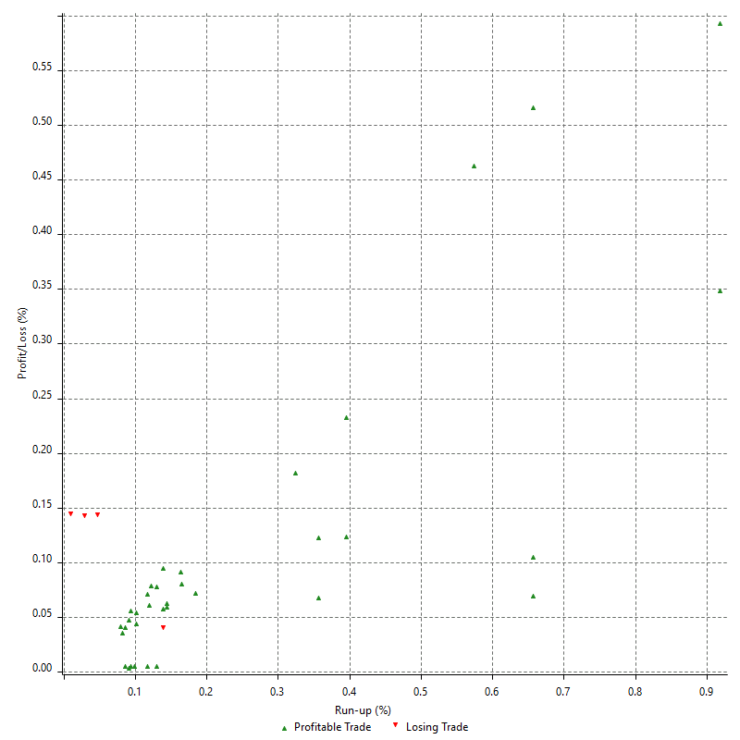
Total Trade Analysis

 | All Trades | Long Trades | Short Trades
Total # of Trades | 39 | 39 | 0
Total # of Open Trades | 0 | 0 | 0
Number Winning Trades | 35 | 35 | 0
Number Losing Trades | 4 | 4 | 0
% Profitable | 89.74% | 89.74% | 0.00%
Avg Trade (win & loss) | $21.95 | $21.95 | n/a
Average Winning Trade | $35.99 | $35.99 | n/a
Average Losing Trade | -$100.88 | -$100.88 | n/a
Ratio Avg Win / Avg Loss | -0.35673570543 | -0.35673570543 | n/a
Largest Winning Trade | $187.00 | $187.00 | n/a
Largest Losing Trade | -$130.50 | -$130.50 | n/a
Avg # Bars in Trades | 59 | 59 | n/a
Avg # Bars in Winning Trades | 59 | 59 | n/a
Avg # Bars in Losing Trades | 59 | 59 | n/a
Avg # Bars Between Trades | n/a | n/a | n/a
Avg # Bars Between Winning Trades | 131.5 | 131.5 | n/a
Avg # Bars Between Losing Trades | 1608 | 1608 | n/a

Outliers

 | Total | Positive | Negative
1 Std. Deviation of Avg. Trade | $62.08 | $44.95 | $59.25
Avg. Trade +1 Std. Deviation | $84.03 | $80.94 | -$41.63
Avg. Trade - 1 Std. Deviation | -$40.14 | -$8.97 | -$160.13
Number of Outliers | 4 | 4 | 0
Outlier Profit/Loss |  | $600.50

Run-up/Drawdown

 | Run-up | Drawdown
Max Value | $288.50 | -$130.50
Max Value Date | 2023-07-14 | 2023-07-04
Avg Value | $79.42 | -$30.15
Max Value (%) | 0.92% | -0.14%
Max Value (%) Date | 2023-07-14 | 2023-07-07
Avg Value (%) | 0.24% | -0.07%
1 Std. Deviation | $71.15 | $33.94
Avg. Trade +1 Std. Deviation | $150.57 | $3.79
Avg. Trade - 1 Std. Deviation | $8.27 | -$64.10

Trade Series Analysis

Z-score | -3.4053061475
Confidence Limits | 0.99933899894
Strategy ME | $21.95
Max Consec. Winners | 28
Max Consec. Losers | 3
Largest Consec. Profit | $770.00
Largest Consec. Loss | -$391.50
Largest Consec. Profit (%) | 0.77%
Largest Consec. Loss (%) | -0.39%

Trade Series Statistics

Consecutive Winners | Number of Series | Avg. Gain per Series | Avg. Loss Next Trade
7 | 1 | $69.93 | $0.00
28 | 1 | $27.50 | -$12.00
Consecutive Losers | Number of Series | Avg. Loss per Series | Avg. Gain Next Trade
1 | 1 | -$12.00 | $13.50
3 | 1 | -$130.50 | $15.00

Total Trades

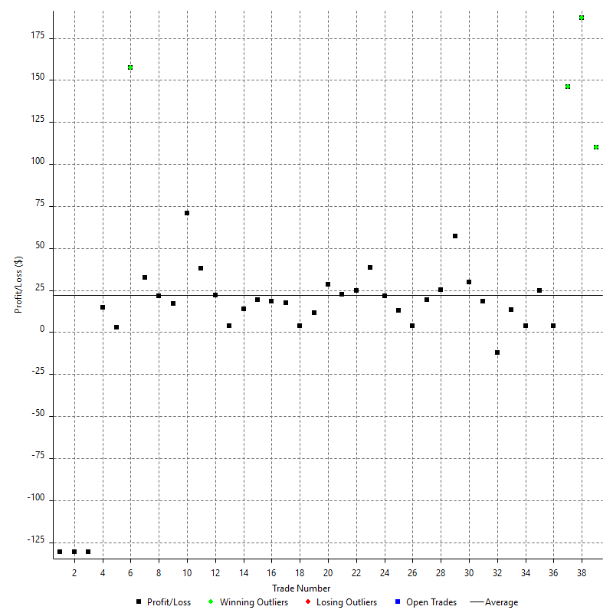

Winning Trades

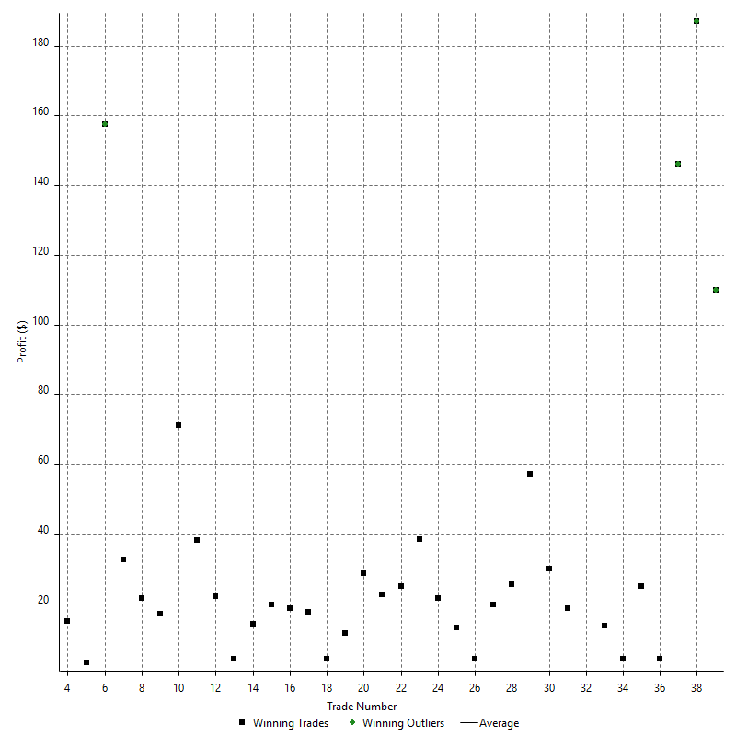

Losing Trades

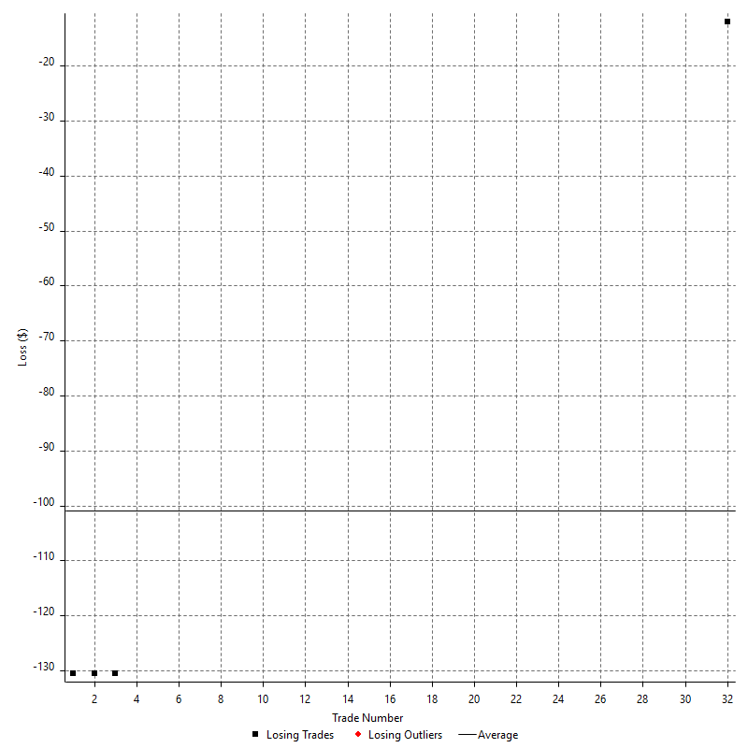

Drawdown

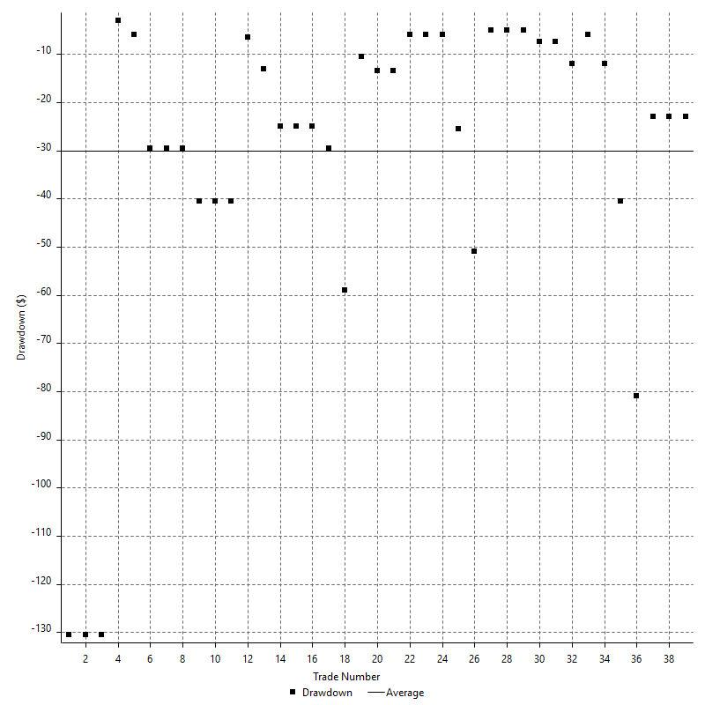

Drawdown P/L

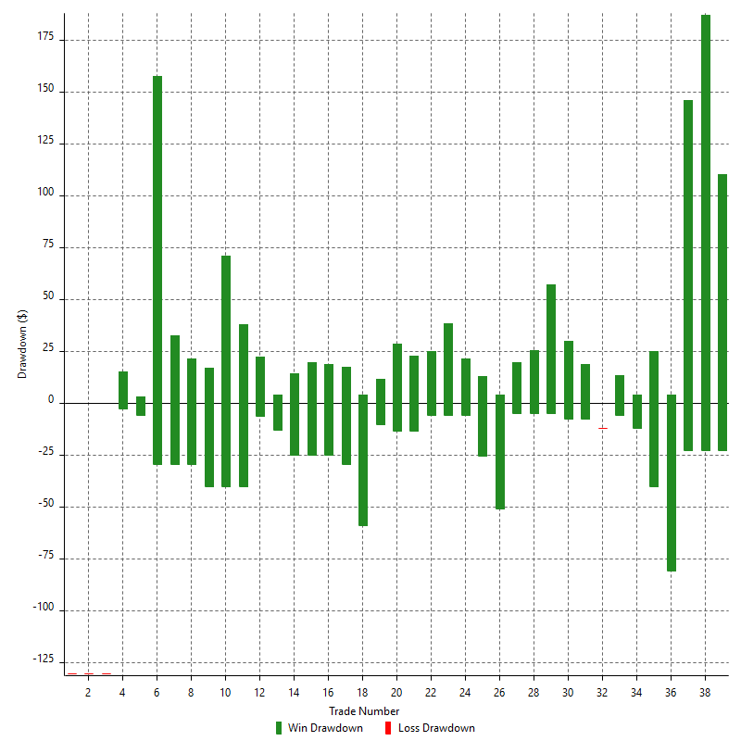

Maximum Adverse Excursion

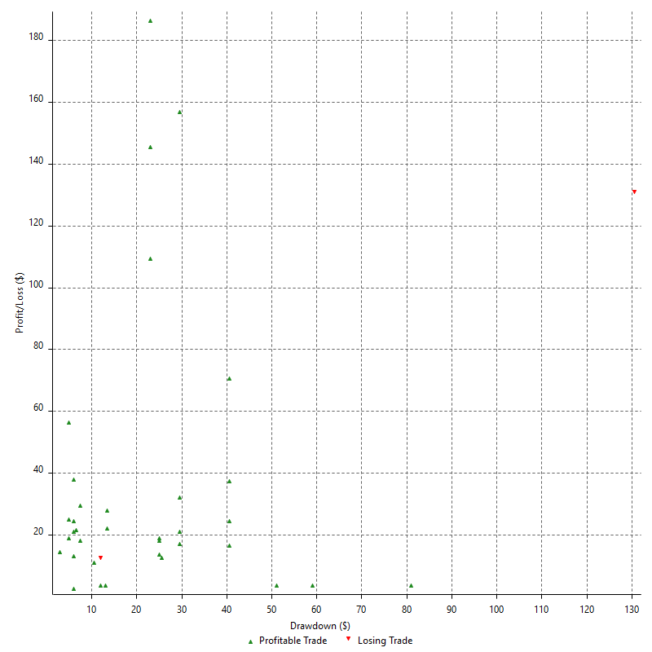

Maximum Adverse Excursion (%)

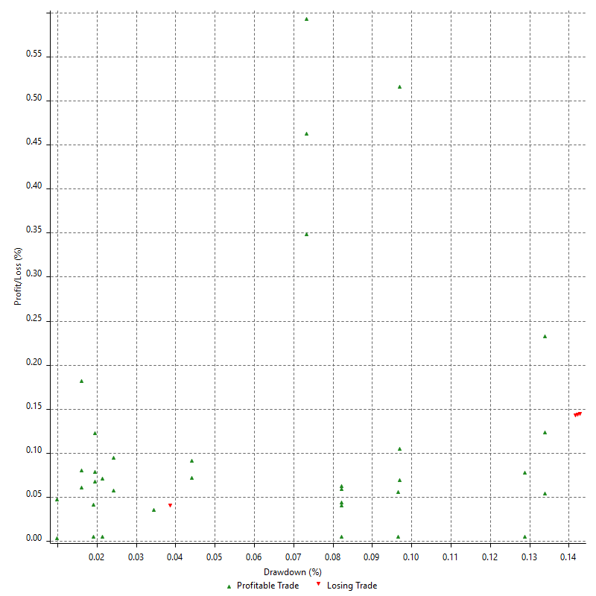

Run-up

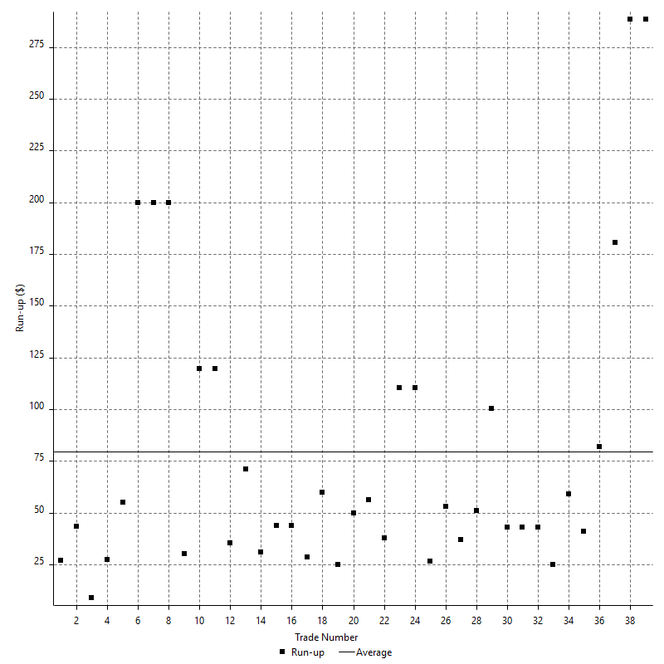

Run-up P/L

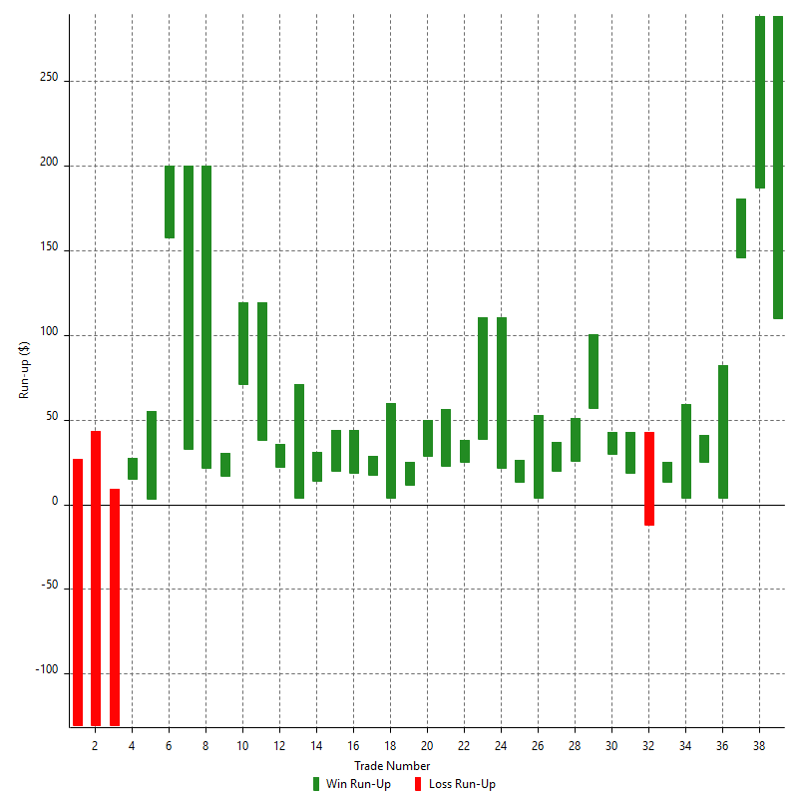

Maximum Favorable Excursion

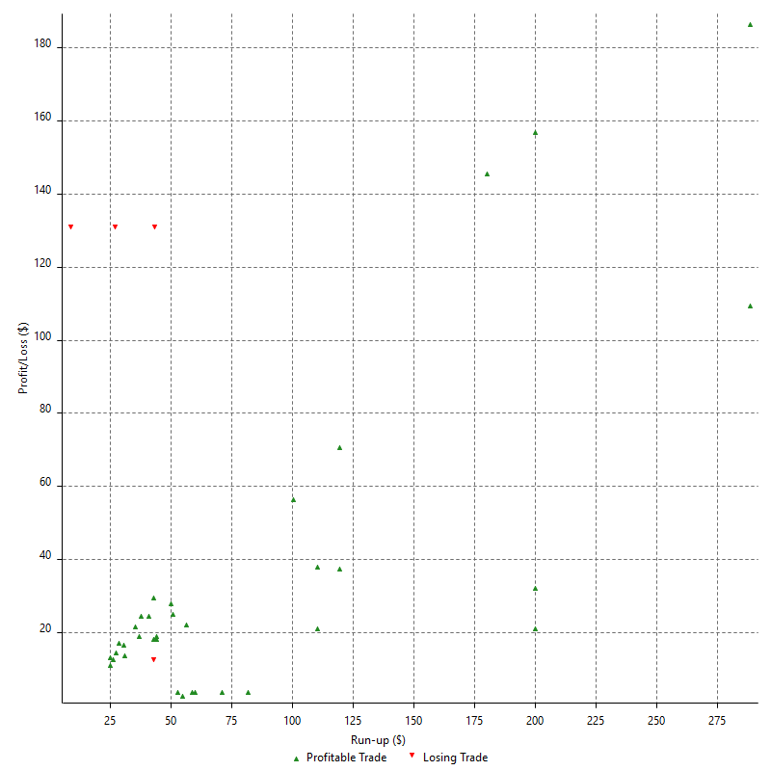

Maximum Favorable Excursion (%)

Periodical Analysis
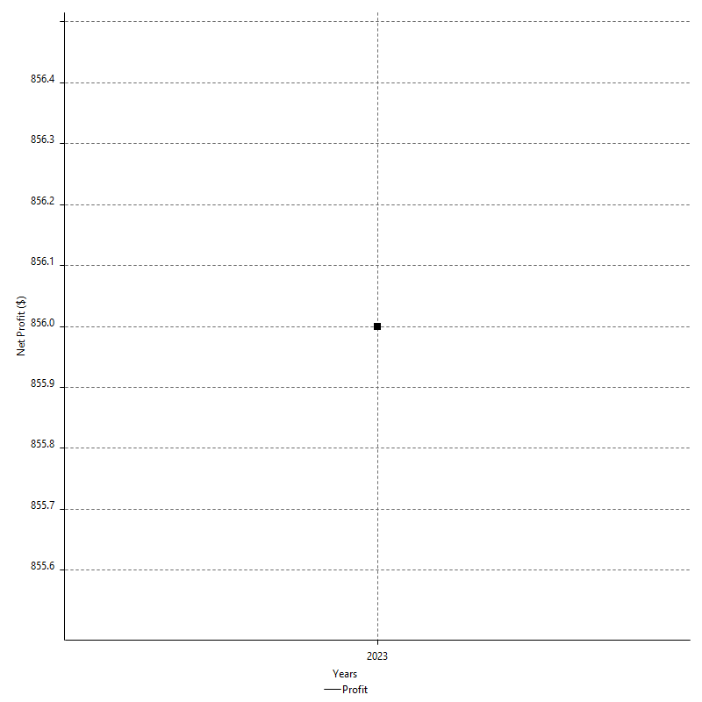
Hourly Period Analysis

Period | Profit ($) | Profit (%) | Average Profit ($) | Gross Profit | Gross Loss | # Trades | % Profitable
7/14/23 | -$41.00 | -0.04% | -$20.50 | $18.00 | -$59.00 | 2 | 50.00%
7/14/23 | $461.50 | 0.46% | $153.83 | $461.50 | $0.00 | 3 | 100.00%
7/14/23 | $40.50 | 0.04% | $13.50 | $40.50 | $0.00 | 3 | 100.00%
7/14/23 | -$18.00 | -0.02% | -$6.00 | $0.00 | -$18.00 | 3 | 0.00%
7/14/23 | $0.00 | 0.00% | $0.00 | $0.00 | $0.00 | 0 | 0.00%
7/14/23 | $0.00 | 0.00% | $0.00 | $0.00 | $0.00 | 0 | 0.00%
7/14/23 | $32.00 | 0.03% | $16.00 | $32.00 | $0.00 | 2 | 100.00%
7/14/23 | $67.50 | 0.07% | $33.75 | $67.50 | $0.00 | 2 | 100.00%
7/14/23 | -$97.50 | -0.10% | -$48.75 | $0.00 | -$97.50 | 2 | 0.00%
7/14/23 | $3.00 | 0.00% | $1.50 | $3.00 | $0.00 | 2 | 100.00%
7/14/23 | -$11.00 | -0.01% | -$3.67 | $24.00 | -$35.00 | 3 | 66.67%
7/14/23 | $5.00 | 0.00% | $5.00 | $5.00 | $0.00 | 1 | 100.00%
7/14/23 | $47.50 | 0.05% | $23.75 | $47.50 | $0.00 | 2 | 100.00%
7/14/23 | $0.00 | 0.00% | $0.00 | $0.00 | $0.00 | 0 | 0.00%
7/14/23 | $0.00 | 0.00% | $0.00 | $0.00 | $0.00 | 0 | 0.00%
7/14/23 | $0.00 | 0.00% | $0.00 | $0.00 | $0.00 | 0 | 0.00%
7/14/23 | $0.00 | 0.00% | $0.00 | $0.00 | $0.00 | 0 | 0.00%
7/14/23 | $0.00 | 0.00% | $0.00 | $0.00 | $0.00 | 0 | 0.00%
7/13/23 | $0.00 | 0.00% | $0.00 | $0.00 | $0.00 | 0 | 0.00%
7/13/23 | $0.00 | 0.00% | $0.00 | $0.00 | $0.00 | 0 | 0.00%
7/13/23 | $0.00 | 0.00% | $0.00 | $0.00 | $0.00 | 0 | 0.00%
7/13/23 | $0.00 | 0.00% | $0.00 | $0.00 | $0.00 | 0 | 0.00%
7/13/23 | $0.00 | 0.00% | $0.00 | $0.00 | $0.00 | 0 | 0.00%
7/13/23 | $0.00 | 0.00% | $0.00 | $0.00 | $0.00 | 0 | 0.00%
7/13/23 | $0.00 | 0.00% | $0.00 | $0.00 | $0.00 | 0 | 0.00%
7/13/23 | $0.00 | 0.00% | $0.00 | $0.00 | $0.00 | 0 | 0.00%
7/13/23 | -$1.00 | 0.00% | -$0.33 | $23.50 | -$24.50 | 3 | 66.67%
7/13/23 | $37.50 | 0.04% | $12.50 | $37.50 | $0.00 | 3 | 100.00%
7/13/23 | -$12.50 | -0.01% | -$12.50 | $0.00 | -$12.50 | 1 | 0.00%
7/13/23 | -$1.50 | 0.00% | -$1.50 | $0.00 | -$1.50 | 1 | 0.00%
7/13/23 | $35.50 | 0.04% | $17.75 | $40.50 | -$5.00 | 2 | 50.00%
7/13/23 | $80.50 | 0.08% | $26.83 | $80.50 | $0.00 | 3 | 100.00%
7/13/23 | $23.00 | 0.02% | $11.50 | $23.00 | $0.00 | 2 | 100.00%
7/13/23 | -$6.00 | -0.01% | -$3.00 | $0.00 | -$6.00 | 2 | 0.00%
7/13/23 | $4.00 | 0.00% | $2.00 | $10.50 | -$6.50 | 2 | 50.00%
7/13/23 | $76.50 | 0.08% | $25.50 | $76.50 | $0.00 | 3 | 100.00%
7/13/23 | $4.50 | 0.00% | $1.50 | $4.50 | $0.00 | 3 | 100.00%
7/13/23 | $0.00 | 0.00% | $0.00 | $0.00 | $0.00 | 0 | 0.00%
7/13/23 | $0.00 | 0.00% | $0.00 | $0.00 | $0.00 | 0 | 0.00%
7/13/23 | $0.00 | 0.00% | $0.00 | $0.00 | $0.00 | 0 | 0.00%
7/13/23 | $0.00 | 0.00% | $0.00 | $0.00 | $0.00 | 0 | 0.00%
7/13/23 | $0.00 | 0.00% | $0.00 | $0.00 | $0.00 | 0 | 0.00%
7/12/23 | $0.00 | 0.00% | $0.00 | $0.00 | $0.00 | 0 | 0.00%
7/12/23 | $0.00 | 0.00% | $0.00 | $0.00 | $0.00 | 0 | 0.00%
7/12/23 | $0.00 | 0.00% | $0.00 | $0.00 | $0.00 | 0 | 0.00%
7/12/23 | $0.00 | 0.00% | $0.00 | $0.00 | $0.00 | 0 | 0.00%
7/12/23 | $0.00 | 0.00% | $0.00 | $0.00 | $0.00 | 0 | 0.00%
7/12/23 | $0.00 | 0.00% | $0.00 | $0.00 | $0.00 | 0 | 0.00%
7/12/23 | $0.00 | 0.00% | $0.00 | $0.00 | $0.00 | 0 | 0.00%
7/12/23 | $0.00 | 0.00% | $0.00 | $0.00 | $0.00 | 0 | 0.00%
7/12/23 | -$30.00 | -0.03% | -$15.00 | $0.00 | -$30.00 | 2 | 0.00%
7/12/23 | $91.00 | 0.09% | $45.50 | $91.00 | $0.00 | 2 | 100.00%
7/12/23 | -$27.00 | -0.03% | -$13.50 | $0.00 | -$27.00 | 2 | 0.00%
7/12/23 | $40.50 | 0.04% | $13.50 | $40.50 | $0.00 | 3 | 100.00%
7/12/23 | -$35.00 | -0.03% | -$8.75 | $0.00 | -$35.00 | 4 | 0.00%
7/12/23 | $94.00 | 0.09% | $47.00 | $94.00 | $0.00 | 2 | 100.00%
7/12/23 | $4.50 | 0.00% | $2.25 | $4.50 | $0.00 | 2 | 100.00%
7/12/23 | -$31.50 | -0.03% | -$15.75 | $0.00 | -$31.50 | 2 | 0.00%
7/12/23 | -$22.50 | -0.02% | -$11.25 | $0.00 | -$22.50 | 2 | 0.00%
7/12/23 | $0.00 | 0.00% | $0.00 | $0.00 | $0.00 | 0 | 0.00%
7/12/23 | $0.00 | 0.00% | $0.00 | $0.00 | $0.00 | 0 | 0.00%
7/12/23 | $0.00 | 0.00% | $0.00 | $0.00 | $0.00 | 0 | 0.00%
7/12/23 | $0.00 | 0.00% | $0.00 | $0.00 | $0.00 | 0 | 0.00%
7/12/23 | $0.00 | 0.00% | $0.00 | $0.00 | $0.00 | 0 | 0.00%
7/12/23 | $0.00 | 0.00% | $0.00 | $0.00 | $0.00 | 0 | 0.00%
7/12/23 | $0.00 | 0.00% | $0.00 | $0.00 | $0.00 | 0 | 0.00%
7/11/23 | $0.00 | 0.00% | $0.00 | $0.00 | $0.00 | 0 | 0.00%
7/11/23 | $0.00 | 0.00% | $0.00 | $0.00 | $0.00 | 0 | 0.00%
7/11/23 | $0.00 | 0.00% | $0.00 | $0.00 | $0.00 | 0 | 0.00%
7/11/23 | $0.00 | 0.00% | $0.00 | $0.00 | $0.00 | 0 | 0.00%
7/11/23 | $0.00 | 0.00% | $0.00 | $0.00 | $0.00 | 0 | 0.00%
7/11/23 | $0.00 | 0.00% | $0.00 | $0.00 | $0.00 | 0 | 0.00%
7/11/23 | $0.00 | 0.00% | $0.00 | $0.00 | $0.00 | 0 | 0.00%
7/11/23 | $0.00 | 0.00% | $0.00 | $0.00 | $0.00 | 0 | 0.00%
7/11/23 | -$17.00 | -0.02% | -$8.50 | $0.00 | -$17.00 | 2 | 0.00%
7/11/23 | $118.50 | 0.12% | $39.50 | $118.50 | $0.00 | 3 | 100.00%
7/11/23 | -$124.00 | -0.12% | -$24.80 | $0.00 | -$124.00 | 5 | 0.00%
7/11/23 | $100.50 | 0.10% | $50.25 | $100.50 | $0.00 | 2 | 100.00%
7/11/23 | $0.00 | 0.00% | $0.00 | $0.00 | $0.00 | 0 | 0.00%
7/11/23 | $0.00 | 0.00% | $0.00 | $0.00 | $0.00 | 0 | 0.00%
7/11/23 | $0.00 | 0.00% | $0.00 | $0.00 | $0.00 | 0 | 0.00%
7/11/23 | $0.00 | 0.00% | $0.00 | $0.00 | $0.00 | 0 | 0.00%
7/11/23 | $0.00 | 0.00% | $0.00 | $0.00 | $0.00 | 0 | 0.00%
7/11/23 | $0.00 | 0.00% | $0.00 | $0.00 | $0.00 | 0 | 0.00%
7/11/23 | $0.00 | 0.00% | $0.00 | $0.00 | $0.00 | 0 | 0.00%
7/11/23 | $0.00 | 0.00% | $0.00 | $0.00 | $0.00 | 0 | 0.00%
7/11/23 | $0.00 | 0.00% | $0.00 | $0.00 | $0.00 | 0 | 0.00%
7/11/23 | $0.00 | 0.00% | $0.00 | $0.00 | $0.00 | 0 | 0.00%
7/11/23 | $0.00 | 0.00% | $0.00 | $0.00 | $0.00 | 0 | 0.00%
7/11/23 | $0.00 | 0.00% | $0.00 | $0.00 | $0.00 | 0 | 0.00%
7/10/23 | $0.00 | 0.00% | $0.00 | $0.00 | $0.00 | 0 | 0.00%
7/10/23 | $0.00 | 0.00% | $0.00 | $0.00 | $0.00 | 0 | 0.00%
7/10/23 | $0.00 | 0.00% | $0.00 | $0.00 | $0.00 | 0 | 0.00%
7/10/23 | $0.00 | 0.00% | $0.00 | $0.00 | $0.00 | 0 | 0.00%
7/10/23 | $0.00 | 0.00% | $0.00 | $0.00 | $0.00 | 0 | 0.00%
7/10/23 | $0.00 | 0.00% | $0.00 | $0.00 | $0.00 | 0 | 0.00%
7/10/23 | $0.00 | 0.00% | $0.00 | $0.00 | $0.00 | 0 | 0.00%
7/10/23 | $0.00 | 0.00% | $0.00 | $0.00 | $0.00 | 0 | 0.00%
7/10/23 | -$58.00 | -0.06% | -$29.00 | $0.00 | -$58.00 | 2 | 0.00%
7/10/23 | $160.00 | 0.16% | $53.33 | $160.00 | $0.00 | 3 | 100.00%
7/10/23 | $114.00 | 0.11% | $38.00 | $114.00 | $0.00 | 3 | 100.00%
7/10/23 | -$90.00 | -0.09% | -$30.00 | $0.00 | -$90.00 | 3 | 0.00%
7/10/23 | $0.00 | 0.00% | $0.00 | $0.00 | $0.00 | 0 | 0.00%
7/10/23 | $0.00 | 0.00% | $0.00 | $0.00 | $0.00 | 0 | 0.00%
7/10/23 | $0.00 | 0.00% | $0.00 | $0.00 | $0.00 | 0 | 0.00%
7/10/23 | $0.00 | 0.00% | $0.00 | $0.00 | $0.00 | 0 | 0.00%
7/10/23 | $0.00 | 0.00% | $0.00 | $0.00 | $0.00 | 0 | 0.00%
7/10/23 | $0.00 | 0.00% | $0.00 | $0.00 | $0.00 | 0 | 0.00%
7/10/23 | $0.00 | 0.00% | $0.00 | $0.00 | $0.00 | 0 | 0.00%
7/10/23 | $0.00 | 0.00% | $0.00 | $0.00 | $0.00 | 0 | 0.00%
7/10/23 | $0.00 | 0.00% | $0.00 | $0.00 | $0.00 | 0 | 0.00%
7/10/23 | $0.00 | 0.00% | $0.00 | $0.00 | $0.00 | 0 | 0.00%
7/10/23 | $0.00 | 0.00% | $0.00 | $0.00 | $0.00 | 0 | 0.00%
7/10/23 | $0.00 | 0.00% | $0.00 | $0.00 | $0.00 | 0 | 0.00%
7/9/23 | $0.00 | 0.00% | $0.00 | $0.00 | $0.00 | 0 | 0.00%
7/9/23 | $0.00 | 0.00% | $0.00 | $0.00 | $0.00 | 0 | 0.00%
7/9/23 | $0.00 | 0.00% | $0.00 | $0.00 | $0.00 | 0 | 0.00%
7/9/23 | $0.00 | 0.00% | $0.00 | $0.00 | $0.00 | 0 | 0.00%
7/9/23 | $0.00 | 0.00% | $0.00 | $0.00 | $0.00 | 0 | 0.00%
7/9/23 | $0.00 | 0.00% | $0.00 | $0.00 | $0.00 | 0 | 0.00%
7/9/23 | $0.00 | 0.00% | $0.00 | $0.00 | $0.00 | 0 | 0.00%
7/9/23 | $0.00 | 0.00% | $0.00 | $0.00 | $0.00 | 0 | 0.00%
7/9/23 | $0.00 | 0.00% | $0.00 | $0.00 | $0.00 | 0 | 0.00%
7/9/23 | $0.00 | 0.00% | $0.00 | $0.00 | $0.00 | 0 | 0.00%
7/9/23 | $0.00 | 0.00% | $0.00 | $0.00 | $0.00 | 0 | 0.00%
7/9/23 | $0.00 | 0.00% | $0.00 | $0.00 | $0.00 | 0 | 0.00%
7/9/23 | $0.00 | 0.00% | $0.00 | $0.00 | $0.00 | 0 | 0.00%
7/9/23 | $0.00 | 0.00% | $0.00 | $0.00 | $0.00 | 0 | 0.00%
7/9/23 | $0.00 | 0.00% | $0.00 | $0.00 | $0.00 | 0 | 0.00%
7/9/23 | $0.00 | 0.00% | $0.00 | $0.00 | $0.00 | 0 | 0.00%
7/9/23 | $0.00 | 0.00% | $0.00 | $0.00 | $0.00 | 0 | 0.00%
7/9/23 | $0.00 | 0.00% | $0.00 | $0.00 | $0.00 | 0 | 0.00%
7/9/23 | $0.00 | 0.00% | $0.00 | $0.00 | $0.00 | 0 | 0.00%
7/9/23 | $0.00 | 0.00% | $0.00 | $0.00 | $0.00 | 0 | 0.00%
7/9/23 | $0.00 | 0.00% | $0.00 | $0.00 | $0.00 | 0 | 0.00%
7/9/23 | $0.00 | 0.00% | $0.00 | $0.00 | $0.00 | 0 | 0.00%
7/9/23 | $0.00 | 0.00% | $0.00 | $0.00 | $0.00 | 0 | 0.00%
7/9/23 | $0.00 | 0.00% | $0.00 | $0.00 | $0.00 | 0 | 0.00%
7/8/23 | $0.00 | 0.00% | $0.00 | $0.00 | $0.00 | 0 | 0.00%
7/8/23 | $0.00 | 0.00% | $0.00 | $0.00 | $0.00 | 0 | 0.00%
7/8/23 | $0.00 | 0.00% | $0.00 | $0.00 | $0.00 | 0 | 0.00%
7/8/23 | $0.00 | 0.00% | $0.00 | $0.00 | $0.00 | 0 | 0.00%
7/8/23 | $0.00 | 0.00% | $0.00 | $0.00 | $0.00 | 0 | 0.00%
7/8/23 | $0.00 | 0.00% | $0.00 | $0.00 | $0.00 | 0 | 0.00%
7/8/23 | $0.00 | 0.00% | $0.00 | $0.00 | $0.00 | 0 | 0.00%
7/8/23 | $0.00 | 0.00% | $0.00 | $0.00 | $0.00 | 0 | 0.00%
7/8/23 | $0.00 | 0.00% | $0.00 | $0.00 | $0.00 | 0 | 0.00%
7/8/23 | $0.00 | 0.00% | $0.00 | $0.00 | $0.00 | 0 | 0.00%
7/8/23 | $0.00 | 0.00% | $0.00 | $0.00 | $0.00 | 0 | 0.00%
7/8/23 | $0.00 | 0.00% | $0.00 | $0.00 | $0.00 | 0 | 0.00%
7/8/23 | $0.00 | 0.00% | $0.00 | $0.00 | $0.00 | 0 | 0.00%
7/8/23 | $0.00 | 0.00% | $0.00 | $0.00 | $0.00 | 0 | 0.00%
7/8/23 | $0.00 | 0.00% | $0.00 | $0.00 | $0.00 | 0 | 0.00%
7/8/23 | $0.00 | 0.00% | $0.00 | $0.00 | $0.00 | 0 | 0.00%
7/8/23 | $0.00 | 0.00% | $0.00 | $0.00 | $0.00 | 0 | 0.00%
7/8/23 | $0.00 | 0.00% | $0.00 | $0.00 | $0.00 | 0 | 0.00%
7/8/23 | $0.00 | 0.00% | $0.00 | $0.00 | $0.00 | 0 | 0.00%
7/8/23 | $0.00 | 0.00% | $0.00 | $0.00 | $0.00 | 0 | 0.00%
7/8/23 | $0.00 | 0.00% | $0.00 | $0.00 | $0.00 | 0 | 0.00%
7/8/23 | $0.00 | 0.00% | $0.00 | $0.00 | $0.00 | 0 | 0.00%
7/8/23 | $0.00 | 0.00% | $0.00 | $0.00 | $0.00 | 0 | 0.00%
7/8/23 | $0.00 | 0.00% | $0.00 | $0.00 | $0.00 | 0 | 0.00%
7/7/23 | $0.00 | 0.00% | $0.00 | $0.00 | $0.00 | 0 | 0.00%
7/7/23 | $0.00 | 0.00% | $0.00 | $0.00 | $0.00 | 0 | 0.00%
7/7/23 | $0.00 | 0.00% | $0.00 | $0.00 | $0.00 | 0 | 0.00%
7/7/23 | $0.00 | 0.00% | $0.00 | $0.00 | $0.00 | 0 | 0.00%
7/7/23 | $0.00 | 0.00% | $0.00 | $0.00 | $0.00 | 0 | 0.00%
7/7/23 | $0.00 | 0.00% | $0.00 | $0.00 | $0.00 | 0 | 0.00%
7/7/23 | $0.00 | 0.00% | $0.00 | $0.00 | $0.00 | 0 | 0.00%
7/7/23 | $0.00 | 0.00% | $0.00 | $0.00 | $0.00 | 0 | 0.00%
7/7/23 | $231.00 | 0.23% | $77.00 | $231.00 | $0.00 | 3 | 100.00%
7/7/23 | -$19.50 | -0.02% | -$6.50 | $0.00 | -$19.50 | 3 | 0.00%
7/7/23 | $0.00 | 0.00% | $0.00 | $0.00 | $0.00 | 0 | 0.00%
7/7/23 | $18.00 | 0.02% | $9.00 | $18.00 | $0.00 | 2 | 100.00%
7/7/23 | $0.00 | 0.00% | $0.00 | $0.00 | $0.00 | 0 | 0.00%
7/7/23 | $0.00 | 0.00% | $0.00 | $0.00 | $0.00 | 0 | 0.00%
7/7/23 | $0.00 | 0.00% | $0.00 | $0.00 | $0.00 | 0 | 0.00%
7/7/23 | $0.00 | 0.00% | $0.00 | $0.00 | $0.00 | 0 | 0.00%
7/7/23 | $0.00 | 0.00% | $0.00 | $0.00 | $0.00 | 0 | 0.00%
7/7/23 | $0.00 | 0.00% | $0.00 | $0.00 | $0.00 | 0 | 0.00%
7/7/23 | $0.00 | 0.00% | $0.00 | $0.00 | $0.00 | 0 | 0.00%
7/7/23 | -$130.50 | -0.13% | -$130.50 | $0.00 | -$130.50 | 1 | 0.00%
7/7/23 | $0.00 | 0.00% | $0.00 | $0.00 | $0.00 | 0 | 0.00%
7/7/23 | $0.00 | 0.00% | $0.00 | $0.00 | $0.00 | 0 | 0.00%
7/7/23 | $0.00 | 0.00% | $0.00 | $0.00 | $0.00 | 0 | 0.00%
7/7/23 | $0.00 | 0.00% | $0.00 | $0.00 | $0.00 | 0 | 0.00%
7/6/23 | $0.00 | 0.00% | $0.00 | $0.00 | $0.00 | 0 | 0.00%
7/6/23 | $0.00 | 0.00% | $0.00 | $0.00 | $0.00 | 0 | 0.00%
7/6/23 | $0.00 | 0.00% | $0.00 | $0.00 | $0.00 | 0 | 0.00%
7/6/23 | $0.00 | 0.00% | $0.00 | $0.00 | $0.00 | 0 | 0.00%
7/6/23 | $0.00 | 0.00% | $0.00 | $0.00 | $0.00 | 0 | 0.00%
7/6/23 | $0.00 | 0.00% | $0.00 | $0.00 | $0.00 | 0 | 0.00%
7/6/23 | $0.00 | 0.00% | $0.00 | $0.00 | $0.00 | 0 | 0.00%
7/6/23 | $0.00 | 0.00% | $0.00 | $0.00 | $0.00 | 0 | 0.00%
7/6/23 | -$48.00 | -0.05% | -$48.00 | $0.00 | -$48.00 | 1 | 0.00%
7/6/23 | $9.00 | 0.01% | $9.00 | $9.00 | $0.00 | 1 | 100.00%
7/6/23 | -$109.50 | -0.11% | -$109.50 | $0.00 | -$109.50 | 1 | 0.00%
7/6/23 | $18.00 | 0.02% | $18.00 | $18.00 | $0.00 | 1 | 100.00%
7/6/23 | $0.00 | 0.00% | $0.00 | $0.00 | $0.00 | 0 | 0.00%
7/6/23 | $0.00 | 0.00% | $0.00 | $0.00 | $0.00 | 0 | 0.00%
7/6/23 | $0.00 | 0.00% | $0.00 | $0.00 | $0.00 | 0 | 0.00%
7/6/23 | $0.00 | 0.00% | $0.00 | $0.00 | $0.00 | 0 | 0.00%
7/6/23 | $0.00 | 0.00% | $0.00 | $0.00 | $0.00 | 0 | 0.00%
7/6/23 | $0.00 | 0.00% | $0.00 | $0.00 | $0.00 | 0 | 0.00%
7/6/23 | $0.00 | 0.00% | $0.00 | $0.00 | $0.00 | 0 | 0.00%
7/6/23 | $0.00 | 0.00% | $0.00 | $0.00 | $0.00 | 0 | 0.00%
7/6/23 | $0.00 | 0.00% | $0.00 | $0.00 | $0.00 | 0 | 0.00%
7/6/23 | $0.00 | 0.00% | $0.00 | $0.00 | $0.00 | 0 | 0.00%
7/6/23 | $0.00 | 0.00% | $0.00 | $0.00 | $0.00 | 0 | 0.00%
7/6/23 | $0.00 | 0.00% | $0.00 | $0.00 | $0.00 | 0 | 0.00%
7/5/23 | $0.00 | 0.00% | $0.00 | $0.00 | $0.00 | 0 | 0.00%
7/5/23 | $0.00 | 0.00% | $0.00 | $0.00 | $0.00 | 0 | 0.00%
7/5/23 | $0.00 | 0.00% | $0.00 | $0.00 | $0.00 | 0 | 0.00%
7/5/23 | $0.00 | 0.00% | $0.00 | $0.00 | $0.00 | 0 | 0.00%
7/5/23 | $0.00 | 0.00% | $0.00 | $0.00 | $0.00 | 0 | 0.00%
7/5/23 | $0.00 | 0.00% | $0.00 | $0.00 | $0.00 | 0 | 0.00%
7/5/23 | $0.00 | 0.00% | $0.00 | $0.00 | $0.00 | 0 | 0.00%
7/5/23 | $0.00 | 0.00% | $0.00 | $0.00 | $0.00 | 0 | 0.00%
7/5/23 | $0.00 | 0.00% | $0.00 | $0.00 | $0.00 | 0 | 0.00%
7/5/23 | $0.00 | 0.00% | $0.00 | $0.00 | $0.00 | 0 | 0.00%
7/5/23 | $0.00 | 0.00% | $0.00 | $0.00 | $0.00 | 0 | 0.00%
7/5/23 | $0.00 | 0.00% | $0.00 | $0.00 | $0.00 | 0 | 0.00%
7/5/23 | $0.00 | 0.00% | $0.00 | $0.00 | $0.00 | 0 | 0.00%
7/5/23 | $0.00 | 0.00% | $0.00 | $0.00 | $0.00 | 0 | 0.00%
7/5/23 | $0.00 | 0.00% | $0.00 | $0.00 | $0.00 | 0 | 0.00%
7/5/23 | $0.00 | 0.00% | $0.00 | $0.00 | $0.00 | 0 | 0.00%
7/5/23 | $0.00 | 0.00% | $0.00 | $0.00 | $0.00 | 0 | 0.00%
7/5/23 | $0.00 | 0.00% | $0.00 | $0.00 | $0.00 | 0 | 0.00%
7/5/23 | $0.00 | 0.00% | $0.00 | $0.00 | $0.00 | 0 | 0.00%
7/5/23 | $0.00 | 0.00% | $0.00 | $0.00 | $0.00 | 0 | 0.00%
7/5/23 | $0.00 | 0.00% | $0.00 | $0.00 | $0.00 | 0 | 0.00%
7/5/23 | $0.00 | 0.00% | $0.00 | $0.00 | $0.00 | 0 | 0.00%
7/5/23 | $0.00 | 0.00% | $0.00 | $0.00 | $0.00 | 0 | 0.00%
7/5/23 | $0.00 | 0.00% | $0.00 | $0.00 | $0.00 | 0 | 0.00%
7/4/23 | $0.00 | 0.00% | $0.00 | $0.00 | $0.00 | 0 | 0.00%
7/4/23 | $0.00 | 0.00% | $0.00 | $0.00 | $0.00 | 0 | 0.00%
7/4/23 | $0.00 | 0.00% | $0.00 | $0.00 | $0.00 | 0 | 0.00%
7/4/23 | -$24.00 | -0.02% | -$24.00 | $0.00 | -$24.00 | 1 | 0.00%
7/4/23 | -$21.00 | -0.02% | -$21.00 | $0.00 | -$21.00 | 1 | 0.00%
7/4/23 | $3.00 | 0.00% | $3.00 | $3.00 | $0.00 | 1 | 100.00%
7/4/23 | -$85.50 | -0.09% | -$85.50 | $0.00 | -$85.50 | 1 | 0.00%
7/4/23 | -$3.00 | 0.00% | -$3.00 | $0.00 | -$3.00 | 1 | 0.00%

Hourly Rolling Period Analysis

Period | Profit ($) | Profit (%) | Average Profit ($) | Gross Profit | Gross Loss | # Trades | % Profitable
Now - 7/14/2023 17:00 | -$41.00 | -0.04% | -$20.50 | $18.00 | -$59.00 | 2 | 50.00%
7/14/2023 16:00 - 7/14/2023 17:00 | $420.50 | 0.42% | $140.17 | $420.50 | $0.00 | 3 | 100.00%
7/14/2023 15:00 - 7/14/2023 17:00 | $461.00 | 0.46% | $153.67 | $461.00 | $0.00 | 3 | 100.00%
7/14/2023 14:00 - 7/14/2023 17:00 | $443.00 | 0.44% | $147.67 | $443.00 | $0.00 | 3 | 100.00%
7/14/2023 13:00 - 7/14/2023 17:00 | $443.00 | 0.44% | $147.67 | $443.00 | $0.00 | 3 | 100.00%
7/14/2023 12:00 - 7/14/2023 17:00 | $443.00 | 0.44% | $147.67 | $443.00 | $0.00 | 3 | 100.00%
7/14/2023 11:00 - 7/14/2023 17:00 | $475.00 | 0.47% | $95.00 | $475.00 | $0.00 | 5 | 100.00%
7/14/2023 10:00 - 7/14/2023 17:00 | $542.50 | 0.54% | $108.50 | $542.50 | $0.00 | 5 | 100.00%
7/14/2023 09:00 - 7/14/2023 17:00 | $445.00 | 0.44% | $89.00 | $459.00 | -$14.00 | 5 | 80.00%
7/14/2023 08:00 - 7/14/2023 17:00 | $448.00 | 0.45% | $89.60 | $460.00 | -$12.00 | 5 | 80.00%
7/14/2023 07:00 - 7/14/2023 17:00 | $437.00 | 0.44% | $72.83 | $472.00 | -$35.00 | 6 | 83.33%
7/14/2023 06:00 - 7/14/2023 17:00 | $442.00 | 0.44% | $73.67 | $472.00 | -$30.00 | 6 | 83.33%
7/14/2023 05:00 - 7/14/2023 17:00 | $489.50 | 0.49% | $69.93 | $489.50 | $0.00 | 7 | 100.00%
7/14/2023 04:00 - 7/14/2023 17:00 | $489.50 | 0.49% | $69.93 | $489.50 | $0.00 | 7 | 100.00%
7/14/2023 03:00 - 7/14/2023 17:00 | $489.50 | 0.49% | $69.93 | $489.50 | $0.00 | 7 | 100.00%
7/14/2023 02:00 - 7/14/2023 17:00 | $489.50 | 0.49% | $69.93 | $489.50 | $0.00 | 7 | 100.00%
7/14/2023 01:00 - 7/14/2023 17:00 | $489.50 | 0.49% | $69.93 | $489.50 | $0.00 | 7 | 100.00%
7/14/2023 00:00 - 7/14/2023 17:00 | $489.50 | 0.49% | $69.93 | $489.50 | $0.00 | 7 | 100.00%
7/13/2023 23:00 - 7/14/2023 17:00 | $489.50 | 0.49% | $69.93 | $489.50 | $0.00 | 7 | 100.00%
7/13/2023 22:00 - 7/14/2023 17:00 | $489.50 | 0.49% | $69.93 | $489.50 | $0.00 | 7 | 100.00%
7/13/2023 21:00 - 7/14/2023 17:00 | $489.50 | 0.49% | $69.93 | $489.50 | $0.00 | 7 | 100.00%
7/13/2023 20:00 - 7/14/2023 17:00 | $489.50 | 0.49% | $69.93 | $489.50 | $0.00 | 7 | 100.00%
7/13/2023 19:00 - 7/14/2023 17:00 | $489.50 | 0.49% | $69.93 | $489.50 | $0.00 | 7 | 100.00%
7/13/2023 18:00 - 7/14/2023 17:00 | $489.50 | 0.49% | $69.93 | $489.50 | $0.00 | 7 | 100.00%
7/13/2023 17:00 - 7/14/2023 17:00 | $489.50 | 0.49% | $69.93 | $489.50 | $0.00 | 7 | 100.00%
7/13/2023 16:00 - 7/14/2023 17:00 | $489.50 | 0.49% | $69.93 | $489.50 | $0.00 | 7 | 100.00%
7/13/2023 15:00 - 7/14/2023 17:00 | $488.50 | 0.49% | $48.85 | $513.00 | -$24.50 | 10 | 90.00%
7/13/2023 14:00 - 7/14/2023 17:00 | $526.00 | 0.52% | $52.60 | $538.00 | -$12.00 | 10 | 90.00%
7/13/2023 13:00 - 7/14/2023 17:00 | $513.50 | 0.51% | $46.68 | $538.00 | -$24.50 | 11 | 81.82%
7/13/2023 12:00 - 7/14/2023 17:00 | $512.00 | 0.51% | $46.55 | $538.00 | -$26.00 | 11 | 81.82%
7/13/2023 11:00 - 7/14/2023 17:00 | $547.50 | 0.55% | $45.63 | $564.50 | -$17.00 | 12 | 83.33%
7/13/2023 10:00 - 7/14/2023 17:00 | $628.00 | 0.63% | $48.31 | $640.00 | -$12.00 | 13 | 92.31%
7/13/2023 09:00 - 7/14/2023 17:00 | $651.00 | 0.65% | $43.40 | $663.00 | -$12.00 | 15 | 93.33%
7/13/2023 08:00 - 7/14/2023 17:00 | $645.00 | 0.64% | $43.00 | $657.00 | -$12.00 | 15 | 93.33%
7/13/2023 07:00 - 7/14/2023 17:00 | $649.00 | 0.65% | $38.18 | $667.50 | -$18.50 | 17 | 88.24%
7/13/2023 06:00 - 7/14/2023 17:00 | $725.50 | 0.72% | $40.31 | $737.50 | -$12.00 | 18 | 94.44%
7/13/2023 05:00 - 7/14/2023 17:00 | $730.00 | 0.73% | $40.56 | $742.00 | -$12.00 | 18 | 94.44%
7/13/2023 04:00 - 7/14/2023 17:00 | $730.00 | 0.73% | $40.56 | $742.00 | -$12.00 | 18 | 94.44%
7/13/2023 03:00 - 7/14/2023 17:00 | $730.00 | 0.73% | $40.56 | $742.00 | -$12.00 | 18 | 94.44%
7/13/2023 02:00 - 7/14/2023 17:00 | $730.00 | 0.73% | $40.56 | $742.00 | -$12.00 | 18 | 94.44%
7/13/2023 01:00 - 7/14/2023 17:00 | $730.00 | 0.73% | $40.56 | $742.00 | -$12.00 | 18 | 94.44%
7/13/2023 00:00 - 7/14/2023 17:00 | $730.00 | 0.73% | $40.56 | $742.00 | -$12.00 | 18 | 94.44%
7/12/2023 23:00 - 7/14/2023 17:00 | $730.00 | 0.73% | $40.56 | $742.00 | -$12.00 | 18 | 94.44%
7/12/2023 22:00 - 7/14/2023 17:00 | $730.00 | 0.73% | $40.56 | $742.00 | -$12.00 | 18 | 94.44%
7/12/2023 21:00 - 7/14/2023 17:00 | $730.00 | 0.73% | $40.56 | $742.00 | -$12.00 | 18 | 94.44%
7/12/2023 20:00 - 7/14/2023 17:00 | $730.00 | 0.73% | $40.56 | $742.00 | -$12.00 | 18 | 94.44%
7/12/2023 19:00 - 7/14/2023 17:00 | $730.00 | 0.73% | $40.56 | $742.00 | -$12.00 | 18 | 94.44%
7/12/2023 18:00 - 7/14/2023 17:00 | $730.00 | 0.73% | $40.56 | $742.00 | -$12.00 | 18 | 94.44%
7/12/2023 17:00 - 7/14/2023 17:00 | $730.00 | 0.73% | $40.56 | $742.00 | -$12.00 | 18 | 94.44%
7/12/2023 16:00 - 7/14/2023 17:00 | $730.00 | 0.73% | $40.56 | $742.00 | -$12.00 | 18 | 94.44%
7/12/2023 15:00 - 7/14/2023 17:00 | $700.00 | 0.70% | $35.00 | $742.00 | -$42.00 | 20 | 85.00%
7/12/2023 14:00 - 7/14/2023 17:00 | $791.00 | 0.79% | $39.55 | $803.00 | -$12.00 | 20 | 95.00%
7/12/2023 13:00 - 7/14/2023 17:00 | $764.00 | 0.76% | $38.20 | $776.00 | -$12.00 | 20 | 95.00%
7/12/2023 12:00 - 7/14/2023 17:00 | $804.50 | 0.80% | $38.31 | $816.50 | -$12.00 | 21 | 95.24%
7/12/2023 11:00 - 7/14/2023 17:00 | $769.50 | 0.77% | $34.98 | $804.50 | -$35.00 | 22 | 90.91%
7/12/2023 10:00 - 7/14/2023 17:00 | $863.50 | 0.86% | $37.54 | $875.50 | -$12.00 | 23 | 95.65%
7/12/2023 09:00 - 7/14/2023 17:00 | $868.00 | 0.87% | $37.74 | $880.00 | -$12.00 | 23 | 95.65%
7/12/2023 08:00 - 7/14/2023 17:00 | $836.50 | 0.84% | $36.37 | $848.50 | -$12.00 | 23 | 95.65%
7/12/2023 07:00 - 7/14/2023 17:00 | $814.00 | 0.81% | $35.39 | $826.00 | -$12.00 | 23 | 95.65%
7/12/2023 06:00 - 7/14/2023 17:00 | $814.00 | 0.81% | $35.39 | $826.00 | -$12.00 | 23 | 95.65%
7/12/2023 05:00 - 7/14/2023 17:00 | $814.00 | 0.81% | $35.39 | $826.00 | -$12.00 | 23 | 95.65%
7/12/2023 04:00 - 7/14/2023 17:00 | $814.00 | 0.81% | $35.39 | $826.00 | -$12.00 | 23 | 95.65%
7/12/2023 03:00 - 7/14/2023 17:00 | $814.00 | 0.81% | $35.39 | $826.00 | -$12.00 | 23 | 95.65%
7/12/2023 02:00 - 7/14/2023 17:00 | $814.00 | 0.81% | $35.39 | $826.00 | -$12.00 | 23 | 95.65%
7/12/2023 01:00 - 7/14/2023 17:00 | $814.00 | 0.81% | $35.39 | $826.00 | -$12.00 | 23 | 95.65%
7/12/2023 00:00 - 7/14/2023 17:00 | $814.00 | 0.81% | $35.39 | $826.00 | -$12.00 | 23 | 95.65%
7/11/2023 23:00 - 7/14/2023 17:00 | $814.00 | 0.81% | $35.39 | $826.00 | -$12.00 | 23 | 95.65%
7/11/2023 22:00 - 7/14/2023 17:00 | $814.00 | 0.81% | $35.39 | $826.00 | -$12.00 | 23 | 95.65%
7/11/2023 21:00 - 7/14/2023 17:00 | $814.00 | 0.81% | $35.39 | $826.00 | -$12.00 | 23 | 95.65%
7/11/2023 20:00 - 7/14/2023 17:00 | $814.00 | 0.81% | $35.39 | $826.00 | -$12.00 | 23 | 95.65%
7/11/2023 19:00 - 7/14/2023 17:00 | $814.00 | 0.81% | $35.39 | $826.00 | -$12.00 | 23 | 95.65%
7/11/2023 18:00 - 7/14/2023 17:00 | $814.00 | 0.81% | $35.39 | $826.00 | -$12.00 | 23 | 95.65%
7/11/2023 17:00 - 7/14/2023 17:00 | $814.00 | 0.81% | $35.39 | $826.00 | -$12.00 | 23 | 95.65%
7/11/2023 16:00 - 7/14/2023 17:00 | $814.00 | 0.81% | $35.39 | $826.00 | -$12.00 | 23 | 95.65%
7/11/2023 15:00 - 7/14/2023 17:00 | $797.00 | 0.80% | $31.88 | $826.00 | -$29.00 | 25 | 88.00%
7/11/2023 14:00 - 7/14/2023 17:00 | $915.50 | 0.92% | $35.21 | $927.50 | -$12.00 | 26 | 96.15%
7/11/2023 13:00 - 7/14/2023 17:00 | $791.50 | 0.79% | $28.27 | $878.00 | -$86.50 | 28 | 89.29%
7/11/2023 12:00 - 7/14/2023 17:00 | $892.00 | 0.89% | $31.86 | $904.00 | -$12.00 | 28 | 96.43%
7/11/2023 11:00 - 7/14/2023 17:00 | $892.00 | 0.89% | $31.86 | $904.00 | -$12.00 | 28 | 96.43%
7/11/2023 10:00 - 7/14/2023 17:00 | $892.00 | 0.89% | $31.86 | $904.00 | -$12.00 | 28 | 96.43%
7/11/2023 09:00 - 7/14/2023 17:00 | $892.00 | 0.89% | $31.86 | $904.00 | -$12.00 | 28 | 96.43%
7/11/2023 08:00 - 7/14/2023 17:00 | $892.00 | 0.89% | $31.86 | $904.00 | -$12.00 | 28 | 96.43%
7/11/2023 07:00 - 7/14/2023 17:00 | $892.00 | 0.89% | $31.86 | $904.00 | -$12.00 | 28 | 96.43%
7/11/2023 06:00 - 7/14/2023 17:00 | $892.00 | 0.89% | $31.86 | $904.00 | -$12.00 | 28 | 96.43%
7/11/2023 05:00 - 7/14/2023 17:00 | $892.00 | 0.89% | $31.86 | $904.00 | -$12.00 | 28 | 96.43%
7/11/2023 04:00 - 7/14/2023 17:00 | $892.00 | 0.89% | $31.86 | $904.00 | -$12.00 | 28 | 96.43%
7/11/2023 03:00 - 7/14/2023 17:00 | $892.00 | 0.89% | $31.86 | $904.00 | -$12.00 | 28 | 96.43%
7/11/2023 02:00 - 7/14/2023 17:00 | $892.00 | 0.89% | $31.86 | $904.00 | -$12.00 | 28 | 96.43%
7/11/2023 01:00 - 7/14/2023 17:00 | $892.00 | 0.89% | $31.86 | $904.00 | -$12.00 | 28 | 96.43%
7/11/2023 00:00 - 7/14/2023 17:00 | $892.00 | 0.89% | $31.86 | $904.00 | -$12.00 | 28 | 96.43%
7/10/2023 23:00 - 7/14/2023 17:00 | $892.00 | 0.89% | $31.86 | $904.00 | -$12.00 | 28 | 96.43%
7/10/2023 22:00 - 7/14/2023 17:00 | $892.00 | 0.89% | $31.86 | $904.00 | -$12.00 | 28 | 96.43%
7/10/2023 21:00 - 7/14/2023 17:00 | $892.00 | 0.89% | $31.86 | $904.00 | -$12.00 | 28 | 96.43%
7/10/2023 20:00 - 7/14/2023 17:00 | $892.00 | 0.89% | $31.86 | $904.00 | -$12.00 | 28 | 96.43%
7/10/2023 19:00 - 7/14/2023 17:00 | $892.00 | 0.89% | $31.86 | $904.00 | -$12.00 | 28 | 96.43%
7/10/2023 18:00 - 7/14/2023 17:00 | $892.00 | 0.89% | $31.86 | $904.00 | -$12.00 | 28 | 96.43%
7/10/2023 17:00 - 7/14/2023 17:00 | $892.00 | 0.89% | $31.86 | $904.00 | -$12.00 | 28 | 96.43%
7/10/2023 16:00 - 7/14/2023 17:00 | $892.00 | 0.89% | $31.86 | $904.00 | -$12.00 | 28 | 96.43%
7/10/2023 15:00 - 7/14/2023 17:00 | $834.00 | 0.83% | $27.80 | $904.00 | -$70.00 | 30 | 90.00%
7/10/2023 14:00 - 7/14/2023 17:00 | $994.00 | 1.00% | $32.06 | $1006.00 | -$12.00 | 31 | 96.77%
7/10/2023 13:00 - 7/14/2023 17:00 | $1108.00 | 1.11% | $35.74 | $1120.00 | -$12.00 | 31 | 96.77%
7/10/2023 12:00 - 7/14/2023 17:00 | $1018.00 | 1.02% | $32.84 | $1030.00 | -$12.00 | 31 | 96.77%
7/10/2023 11:00 - 7/14/2023 17:00 | $1018.00 | 1.02% | $32.84 | $1030.00 | -$12.00 | 31 | 96.77%
7/10/2023 10:00 - 7/14/2023 17:00 | $1018.00 | 1.02% | $32.84 | $1030.00 | -$12.00 | 31 | 96.77%
7/10/2023 09:00 - 7/14/2023 17:00 | $1018.00 | 1.02% | $32.84 | $1030.00 | -$12.00 | 31 | 96.77%
7/10/2023 08:00 - 7/14/2023 17:00 | $1018.00 | 1.02% | $32.84 | $1030.00 | -$12.00 | 31 | 96.77%
7/10/2023 07:00 - 7/14/2023 17:00 | $1018.00 | 1.02% | $32.84 | $1030.00 | -$12.00 | 31 | 96.77%
7/10/2023 06:00 - 7/14/2023 17:00 | $1018.00 | 1.02% | $32.84 | $1030.00 | -$12.00 | 31 | 96.77%
7/10/2023 05:00 - 7/14/2023 17:00 | $1018.00 | 1.02% | $32.84 | $1030.00 | -$12.00 | 31 | 96.77%
7/10/2023 04:00 - 7/14/2023 17:00 | $1018.00 | 1.02% | $32.84 | $1030.00 | -$12.00 | 31 | 96.77%
7/10/2023 03:00 - 7/14/2023 17:00 | $1018.00 | 1.02% | $32.84 | $1030.00 | -$12.00 | 31 | 96.77%
7/10/2023 02:00 - 7/14/2023 17:00 | $1018.00 | 1.02% | $32.84 | $1030.00 | -$12.00 | 31 | 96.77%
7/10/2023 01:00 - 7/14/2023 17:00 | $1018.00 | 1.02% | $32.84 | $1030.00 | -$12.00 | 31 | 96.77%
7/10/2023 00:00 - 7/14/2023 17:00 | $1018.00 | 1.02% | $32.84 | $1030.00 | -$12.00 | 31 | 96.77%
7/9/2023 23:00 - 7/14/2023 17:00 | $1018.00 | 1.02% | $32.84 | $1030.00 | -$12.00 | 31 | 96.77%
7/9/2023 22:00 - 7/14/2023 17:00 | $1018.00 | 1.02% | $32.84 | $1030.00 | -$12.00 | 31 | 96.77%
7/9/2023 21:00 - 7/14/2023 17:00 | $1018.00 | 1.02% | $32.84 | $1030.00 | -$12.00 | 31 | 96.77%
7/9/2023 20:00 - 7/14/2023 17:00 | $1018.00 | 1.02% | $32.84 | $1030.00 | -$12.00 | 31 | 96.77%
7/9/2023 19:00 - 7/14/2023 17:00 | $1018.00 | 1.02% | $32.84 | $1030.00 | -$12.00 | 31 | 96.77%
7/9/2023 18:00 - 7/14/2023 17:00 | $1018.00 | 1.02% | $32.84 | $1030.00 | -$12.00 | 31 | 96.77%
7/9/2023 17:00 - 7/14/2023 17:00 | $1018.00 | 1.02% | $32.84 | $1030.00 | -$12.00 | 31 | 96.77%
7/9/2023 16:00 - 7/14/2023 17:00 | $1018.00 | 1.02% | $32.84 | $1030.00 | -$12.00 | 31 | 96.77%
7/9/2023 15:00 - 7/14/2023 17:00 | $1018.00 | 1.02% | $32.84 | $1030.00 | -$12.00 | 31 | 96.77%
7/9/2023 14:00 - 7/14/2023 17:00 | $1018.00 | 1.02% | $32.84 | $1030.00 | -$12.00 | 31 | 96.77%
7/9/2023 13:00 - 7/14/2023 17:00 | $1018.00 | 1.02% | $32.84 | $1030.00 | -$12.00 | 31 | 96.77%
7/9/2023 12:00 - 7/14/2023 17:00 | $1018.00 | 1.02% | $32.84 | $1030.00 | -$12.00 | 31 | 96.77%
7/9/2023 11:00 - 7/14/2023 17:00 | $1018.00 | 1.02% | $32.84 | $1030.00 | -$12.00 | 31 | 96.77%
7/9/2023 10:00 - 7/14/2023 17:00 | $1018.00 | 1.02% | $32.84 | $1030.00 | -$12.00 | 31 | 96.77%
7/9/2023 09:00 - 7/14/2023 17:00 | $1018.00 | 1.02% | $32.84 | $1030.00 | -$12.00 | 31 | 96.77%
7/9/2023 08:00 - 7/14/2023 17:00 | $1018.00 | 1.02% | $32.84 | $1030.00 | -$12.00 | 31 | 96.77%
7/9/2023 07:00 - 7/14/2023 17:00 | $1018.00 | 1.02% | $32.84 | $1030.00 | -$12.00 | 31 | 96.77%
7/9/2023 06:00 - 7/14/2023 17:00 | $1018.00 | 1.02% | $32.84 | $1030.00 | -$12.00 | 31 | 96.77%
7/9/2023 05:00 - 7/14/2023 17:00 | $1018.00 | 1.02% | $32.84 | $1030.00 | -$12.00 | 31 | 96.77%
7/9/2023 04:00 - 7/14/2023 17:00 | $1018.00 | 1.02% | $32.84 | $1030.00 | -$12.00 | 31 | 96.77%
7/9/2023 03:00 - 7/14/2023 17:00 | $1018.00 | 1.02% | $32.84 | $1030.00 | -$12.00 | 31 | 96.77%
7/9/2023 02:00 - 7/14/2023 17:00 | $1018.00 | 1.02% | $32.84 | $1030.00 | -$12.00 | 31 | 96.77%
7/9/2023 01:00 - 7/14/2023 17:00 | $1018.00 | 1.02% | $32.84 | $1030.00 | -$12.00 | 31 | 96.77%
7/9/2023 00:00 - 7/14/2023 17:00 | $1018.00 | 1.02% | $32.84 | $1030.00 | -$12.00 | 31 | 96.77%
7/8/2023 23:00 - 7/14/2023 17:00 | $1018.00 | 1.02% | $32.84 | $1030.00 | -$12.00 | 31 | 96.77%
7/8/2023 22:00 - 7/14/2023 17:00 | $1018.00 | 1.02% | $32.84 | $1030.00 | -$12.00 | 31 | 96.77%
7/8/2023 21:00 - 7/14/2023 17:00 | $1018.00 | 1.02% | $32.84 | $1030.00 | -$12.00 | 31 | 96.77%
7/8/2023 20:00 - 7/14/2023 17:00 | $1018.00 | 1.02% | $32.84 | $1030.00 | -$12.00 | 31 | 96.77%
7/8/2023 19:00 - 7/14/2023 17:00 | $1018.00 | 1.02% | $32.84 | $1030.00 | -$12.00 | 31 | 96.77%
7/8/2023 18:00 - 7/14/2023 17:00 | $1018.00 | 1.02% | $32.84 | $1030.00 | -$12.00 | 31 | 96.77%
7/8/2023 17:00 - 7/14/2023 17:00 | $1018.00 | 1.02% | $32.84 | $1030.00 | -$12.00 | 31 | 96.77%
7/8/2023 16:00 - 7/14/2023 17:00 | $1018.00 | 1.02% | $32.84 | $1030.00 | -$12.00 | 31 | 96.77%
7/8/2023 15:00 - 7/14/2023 17:00 | $1018.00 | 1.02% | $32.84 | $1030.00 | -$12.00 | 31 | 96.77%
7/8/2023 14:00 - 7/14/2023 17:00 | $1018.00 | 1.02% | $32.84 | $1030.00 | -$12.00 | 31 | 96.77%
7/8/2023 13:00 - 7/14/2023 17:00 | $1018.00 | 1.02% | $32.84 | $1030.00 | -$12.00 | 31 | 96.77%
7/8/2023 12:00 - 7/14/2023 17:00 | $1018.00 | 1.02% | $32.84 | $1030.00 | -$12.00 | 31 | 96.77%
7/8/2023 11:00 - 7/14/2023 17:00 | $1018.00 | 1.02% | $32.84 | $1030.00 | -$12.00 | 31 | 96.77%
7/8/2023 10:00 - 7/14/2023 17:00 | $1018.00 | 1.02% | $32.84 | $1030.00 | -$12.00 | 31 | 96.77%
7/8/2023 09:00 - 7/14/2023 17:00 | $1018.00 | 1.02% | $32.84 | $1030.00 | -$12.00 | 31 | 96.77%
7/8/2023 08:00 - 7/14/2023 17:00 | $1018.00 | 1.02% | $32.84 | $1030.00 | -$12.00 | 31 | 96.77%
7/8/2023 07:00 - 7/14/2023 17:00 | $1018.00 | 1.02% | $32.84 | $1030.00 | -$12.00 | 31 | 96.77%
7/8/2023 06:00 - 7/14/2023 17:00 | $1018.00 | 1.02% | $32.84 | $1030.00 | -$12.00 | 31 | 96.77%
7/8/2023 05:00 - 7/14/2023 17:00 | $1018.00 | 1.02% | $32.84 | $1030.00 | -$12.00 | 31 | 96.77%
7/8/2023 04:00 - 7/14/2023 17:00 | $1018.00 | 1.02% | $32.84 | $1030.00 | -$12.00 | 31 | 96.77%
7/8/2023 03:00 - 7/14/2023 17:00 | $1018.00 | 1.02% | $32.84 | $1030.00 | -$12.00 | 31 | 96.77%
7/8/2023 02:00 - 7/14/2023 17:00 | $1018.00 | 1.02% | $32.84 | $1030.00 | -$12.00 | 31 | 96.77%
7/8/2023 01:00 - 7/14/2023 17:00 | $1018.00 | 1.02% | $32.84 | $1030.00 | -$12.00 | 31 | 96.77%
7/8/2023 00:00 - 7/14/2023 17:00 | $1018.00 | 1.02% | $32.84 | $1030.00 | -$12.00 | 31 | 96.77%
7/7/2023 23:00 - 7/14/2023 17:00 | $1018.00 | 1.02% | $32.84 | $1030.00 | -$12.00 | 31 | 96.77%
7/7/2023 22:00 - 7/14/2023 17:00 | $1018.00 | 1.02% | $32.84 | $1030.00 | -$12.00 | 31 | 96.77%
7/7/2023 21:00 - 7/14/2023 17:00 | $1018.00 | 1.02% | $32.84 | $1030.00 | -$12.00 | 31 | 96.77%
7/7/2023 20:00 - 7/14/2023 17:00 | $1018.00 | 1.02% | $32.84 | $1030.00 | -$12.00 | 31 | 96.77%
7/7/2023 19:00 - 7/14/2023 17:00 | $1018.00 | 1.02% | $32.84 | $1030.00 | -$12.00 | 31 | 96.77%
7/7/2023 18:00 - 7/14/2023 17:00 | $1018.00 | 1.02% | $32.84 | $1030.00 | -$12.00 | 31 | 96.77%
7/7/2023 17:00 - 7/14/2023 17:00 | $1018.00 | 1.02% | $32.84 | $1030.00 | -$12.00 | 31 | 96.77%
7/7/2023 16:00 - 7/14/2023 17:00 | $1018.00 | 1.02% | $32.84 | $1030.00 | -$12.00 | 31 | 96.77%
7/7/2023 15:00 - 7/14/2023 17:00 | $1249.00 | 1.25% | $36.74 | $1261.00 | -$12.00 | 34 | 97.06%
7/7/2023 14:00 - 7/14/2023 17:00 | $1229.50 | 1.23% | $36.16 | $1241.50 | -$12.00 | 34 | 97.06%
7/7/2023 13:00 - 7/14/2023 17:00 | $1229.50 | 1.23% | $36.16 | $1241.50 | -$12.00 | 34 | 97.06%
7/7/2023 12:00 - 7/14/2023 17:00 | $1247.50 | 1.25% | $34.65 | $1259.50 | -$12.00 | 36 | 97.22%
7/7/2023 11:00 - 7/14/2023 17:00 | $1247.50 | 1.25% | $34.65 | $1259.50 | -$12.00 | 36 | 97.22%
7/7/2023 10:00 - 7/14/2023 17:00 | $1247.50 | 1.25% | $34.65 | $1259.50 | -$12.00 | 36 | 97.22%
7/7/2023 09:00 - 7/14/2023 17:00 | $1247.50 | 1.25% | $34.65 | $1259.50 | -$12.00 | 36 | 97.22%
7/7/2023 08:00 - 7/14/2023 17:00 | $1247.50 | 1.25% | $34.65 | $1259.50 | -$12.00 | 36 | 97.22%
7/7/2023 07:00 - 7/14/2023 17:00 | $1247.50 | 1.25% | $34.65 | $1259.50 | -$12.00 | 36 | 97.22%
7/7/2023 06:00 - 7/14/2023 17:00 | $1247.50 | 1.25% | $34.65 | $1259.50 | -$12.00 | 36 | 97.22%
7/7/2023 05:00 - 7/14/2023 17:00 | $1247.50 | 1.25% | $34.65 | $1259.50 | -$12.00 | 36 | 97.22%
7/7/2023 04:00 - 7/14/2023 17:00 | $1117.00 | 1.12% | $30.19 | $1259.50 | -$142.50 | 37 | 94.59%
7/7/2023 03:00 - 7/14/2023 17:00 | $1117.00 | 1.12% | $30.19 | $1259.50 | -$142.50 | 37 | 94.59%
7/7/2023 02:00 - 7/14/2023 17:00 | $1117.00 | 1.12% | $30.19 | $1259.50 | -$142.50 | 37 | 94.59%
7/7/2023 01:00 - 7/14/2023 17:00 | $1117.00 | 1.12% | $30.19 | $1259.50 | -$142.50 | 37 | 94.59%
7/7/2023 00:00 - 7/14/2023 17:00 | $1117.00 | 1.12% | $30.19 | $1259.50 | -$142.50 | 37 | 94.59%
7/6/2023 23:00 - 7/14/2023 17:00 | $1117.00 | 1.12% | $30.19 | $1259.50 | -$142.50 | 37 | 94.59%
7/6/2023 22:00 - 7/14/2023 17:00 | $1117.00 | 1.12% | $30.19 | $1259.50 | -$142.50 | 37 | 94.59%
7/6/2023 21:00 - 7/14/2023 17:00 | $1117.00 | 1.12% | $30.19 | $1259.50 | -$142.50 | 37 | 94.59%
7/6/2023 20:00 - 7/14/2023 17:00 | $1117.00 | 1.12% | $30.19 | $1259.50 | -$142.50 | 37 | 94.59%
7/6/2023 19:00 - 7/14/2023 17:00 | $1117.00 | 1.12% | $30.19 | $1259.50 | -$142.50 | 37 | 94.59%
7/6/2023 18:00 - 7/14/2023 17:00 | $1117.00 | 1.12% | $30.19 | $1259.50 | -$142.50 | 37 | 94.59%
7/6/2023 17:00 - 7/14/2023 17:00 | $1117.00 | 1.12% | $30.19 | $1259.50 | -$142.50 | 37 | 94.59%
7/6/2023 16:00 - 7/14/2023 17:00 | $1117.00 | 1.12% | $30.19 | $1259.50 | -$142.50 | 37 | 94.59%
7/6/2023 15:00 - 7/14/2023 17:00 | $1069.00 | 1.07% | $28.13 | $1259.50 | -$190.50 | 38 | 92.11%
7/6/2023 14:00 - 7/14/2023 17:00 | $1078.00 | 1.08% | $28.37 | $1259.50 | -$181.50 | 38 | 92.11%
7/6/2023 13:00 - 7/14/2023 17:00 | $968.50 | 0.97% | $25.49 | $1259.50 | -$291.00 | 38 | 92.11%
7/6/2023 12:00 - 7/14/2023 17:00 | $986.50 | 0.99% | $25.96 | $1259.50 | -$273.00 | 38 | 92.11%
7/6/2023 11:00 - 7/14/2023 17:00 | $986.50 | 0.99% | $25.96 | $1259.50 | -$273.00 | 38 | 92.11%
7/6/2023 10:00 - 7/14/2023 17:00 | $986.50 | 0.99% | $25.96 | $1259.50 | -$273.00 | 38 | 92.11%
7/6/2023 09:00 - 7/14/2023 17:00 | $986.50 | 0.99% | $25.96 | $1259.50 | -$273.00 | 38 | 92.11%
7/6/2023 08:00 - 7/14/2023 17:00 | $986.50 | 0.99% | $25.96 | $1259.50 | -$273.00 | 38 | 92.11%
7/6/2023 07:00 - 7/14/2023 17:00 | $986.50 | 0.99% | $25.96 | $1259.50 | -$273.00 | 38 | 92.11%
7/6/2023 06:00 - 7/14/2023 17:00 | $986.50 | 0.99% | $25.96 | $1259.50 | -$273.00 | 38 | 92.11%
7/6/2023 05:00 - 7/14/2023 17:00 | $986.50 | 0.99% | $25.96 | $1259.50 | -$273.00 | 38 | 92.11%
7/6/2023 04:00 - 7/14/2023 17:00 | $986.50 | 0.99% | $25.96 | $1259.50 | -$273.00 | 38 | 92.11%
7/6/2023 03:00 - 7/14/2023 17:00 | $986.50 | 0.99% | $25.96 | $1259.50 | -$273.00 | 38 | 92.11%
7/6/2023 02:00 - 7/14/2023 17:00 | $986.50 | 0.99% | $25.96 | $1259.50 | -$273.00 | 38 | 92.11%
7/6/2023 01:00 - 7/14/2023 17:00 | $986.50 | 0.99% | $25.96 | $1259.50 | -$273.00 | 38 | 92.11%
7/6/2023 00:00 - 7/14/2023 17:00 | $986.50 | 0.99% | $25.96 | $1259.50 | -$273.00 | 38 | 92.11%
7/5/2023 23:00 - 7/14/2023 17:00 | $986.50 | 0.99% | $25.96 | $1259.50 | -$273.00 | 38 | 92.11%
7/5/2023 22:00 - 7/14/2023 17:00 | $986.50 | 0.99% | $25.96 | $1259.50 | -$273.00 | 38 | 92.11%
7/5/2023 21:00 - 7/14/2023 17:00 | $986.50 | 0.99% | $25.96 | $1259.50 | -$273.00 | 38 | 92.11%
7/5/2023 20:00 - 7/14/2023 17:00 | $986.50 | 0.99% | $25.96 | $1259.50 | -$273.00 | 38 | 92.11%
7/5/2023 19:00 - 7/14/2023 17:00 | $986.50 | 0.99% | $25.96 | $1259.50 | -$273.00 | 38 | 92.11%
7/5/2023 18:00 - 7/14/2023 17:00 | $986.50 | 0.99% | $25.96 | $1259.50 | -$273.00 | 38 | 92.11%
7/5/2023 17:00 - 7/14/2023 17:00 | $986.50 | 0.99% | $25.96 | $1259.50 | -$273.00 | 38 | 92.11%
7/5/2023 16:00 - 7/14/2023 17:00 | $986.50 | 0.99% | $25.96 | $1259.50 | -$273.00 | 38 | 92.11%
7/5/2023 15:00 - 7/14/2023 17:00 | $986.50 | 0.99% | $25.96 | $1259.50 | -$273.00 | 38 | 92.11%
7/5/2023 14:00 - 7/14/2023 17:00 | $986.50 | 0.99% | $25.96 | $1259.50 | -$273.00 | 38 | 92.11%
7/5/2023 13:00 - 7/14/2023 17:00 | $986.50 | 0.99% | $25.96 | $1259.50 | -$273.00 | 38 | 92.11%
7/5/2023 12:00 - 7/14/2023 17:00 | $986.50 | 0.99% | $25.96 | $1259.50 | -$273.00 | 38 | 92.11%
7/5/2023 11:00 - 7/14/2023 17:00 | $986.50 | 0.99% | $25.96 | $1259.50 | -$273.00 | 38 | 92.11%
7/5/2023 10:00 - 7/14/2023 17:00 | $986.50 | 0.99% | $25.96 | $1259.50 | -$273.00 | 38 | 92.11%
7/5/2023 09:00 - 7/14/2023 17:00 | $986.50 | 0.99% | $25.96 | $1259.50 | -$273.00 | 38 | 92.11%
7/5/2023 08:00 - 7/14/2023 17:00 | $986.50 | 0.99% | $25.96 | $1259.50 | -$273.00 | 38 | 92.11%
7/5/2023 07:00 - 7/14/2023 17:00 | $986.50 | 0.99% | $25.96 | $1259.50 | -$273.00 | 38 | 92.11%
7/5/2023 06:00 - 7/14/2023 17:00 | $986.50 | 0.99% | $25.96 | $1259.50 | -$273.00 | 38 | 92.11%
7/5/2023 05:00 - 7/14/2023 17:00 | $986.50 | 0.99% | $25.96 | $1259.50 | -$273.00 | 38 | 92.11%
7/5/2023 04:00 - 7/14/2023 17:00 | $986.50 | 0.99% | $25.96 | $1259.50 | -$273.00 | 38 | 92.11%
7/5/2023 03:00 - 7/14/2023 17:00 | $986.50 | 0.99% | $25.96 | $1259.50 | -$273.00 | 38 | 92.11%
7/5/2023 02:00 - 7/14/2023 17:00 | $986.50 | 0.99% | $25.96 | $1259.50 | -$273.00 | 38 | 92.11%
7/5/2023 01:00 - 7/14/2023 17:00 | $986.50 | 0.99% | $25.96 | $1259.50 | -$273.00 | 38 | 92.11%
7/5/2023 00:00 - 7/14/2023 17:00 | $986.50 | 0.99% | $25.96 | $1259.50 | -$273.00 | 38 | 92.11%
7/4/2023 23:00 - 7/14/2023 17:00 | $986.50 | 0.99% | $25.96 | $1259.50 | -$273.00 | 38 | 92.11%
7/4/2023 22:00 - 7/14/2023 17:00 | $986.50 | 0.99% | $25.96 | $1259.50 | -$273.00 | 38 | 92.11%
7/4/2023 21:00 - 7/14/2023 17:00 | $986.50 | 0.99% | $25.96 | $1259.50 | -$273.00 | 38 | 92.11%
7/4/2023 20:00 - 7/14/2023 17:00 | $962.50 | 0.96% | $24.68 | $1259.50 | -$297.00 | 39 | 89.74%
7/4/2023 19:00 - 7/14/2023 17:00 | $941.50 | 0.94% | $24.14 | $1259.50 | -$318.00 | 39 | 89.74%
7/4/2023 18:00 - 7/14/2023 17:00 | $944.50 | 0.95% | $24.22 | $1259.50 | -$315.00 | 39 | 89.74%
7/4/2023 17:00 - 7/14/2023 17:00 | $859.00 | 0.86% | $22.03 | $1259.50 | -$400.50 | 39 | 89.74%
7/4/2023 16:00 - 7/14/2023 17:00 | $856.00 | 0.86% | $21.95 | $1259.50 | -$403.50 | 39 | 89.74%

Daily Period Analysis

Period | Profit ($) | Profit (%) | Average Profit ($) | Gross Profit | Gross Loss | # Trades | % Profitable
2023-07-14 | $489.50 | 0.49% | $69.93 | $489.50 | $0.00 | 7 | 100.00%
2023-07-13 | $240.50 | 0.24% | $21.86 | $252.50 | -$12.00 | 11 | 90.91%
2023-07-12 | $84.00 | 0.08% | $16.80 | $84.00 | $0.00 | 5 | 100.00%
2023-07-11 | $78.00 | 0.08% | $15.60 | $78.00 | $0.00 | 5 | 100.00%
2023-07-10 | $126.00 | 0.13% | $42.00 | $126.00 | $0.00 | 3 | 100.00%
2023-07-07 | $99.00 | 0.10% | $16.50 | $229.50 | -$130.50 | 6 | 83.33%
2023-07-06 | -$130.50 | -0.13% | -$130.50 | $0.00 | -$130.50 | 1 | 0.00%
2023-07-04 | -$130.50 | -0.13% | -$130.50 | $0.00 | -$130.50 | 1 | 0.00%

Daily Rolling Period Analysis

Period | Profit ($) | Profit (%) | Average Profit ($) | Gross Profit | Gross Loss | # Trades | % Profitable
Today - 7/14/2023 | $489.50 | 0.49% | $69.93 | $489.50 | $0.00 | 7 | 100.00%
7/13/2023 - 7/14/2023 | $730.00 | 0.73% | $40.56 | $742.00 | -$12.00 | 18 | 94.44%
7/12/2023 - 7/14/2023 | $814.00 | 0.81% | $35.39 | $826.00 | -$12.00 | 23 | 95.65%
7/11/2023 - 7/14/2023 | $892.00 | 0.89% | $31.86 | $904.00 | -$12.00 | 28 | 96.43%
7/10/2023 - 7/14/2023 | $1018.00 | 1.02% | $32.84 | $1030.00 | -$12.00 | 31 | 96.77%
7/9/2023 - 7/14/2023 | $1018.00 | 1.02% | $32.84 | $1030.00 | -$12.00 | 31 | 96.77%
7/8/2023 - 7/14/2023 | $1018.00 | 1.02% | $32.84 | $1030.00 | -$12.00 | 31 | 96.77%
7/7/2023 - 7/14/2023 | $1117.00 | 1.12% | $30.19 | $1259.50 | -$142.50 | 37 | 94.59%
7/6/2023 - 7/14/2023 | $986.50 | 0.99% | $25.96 | $1259.50 | -$273.00 | 38 | 92.11%
7/5/2023 - 7/14/2023 | $986.50 | 0.99% | $25.96 | $1259.50 | -$273.00 | 38 | 92.11%
7/4/2023 - 7/14/2023 | $856.00 | 0.86% | $21.95 | $1259.50 | -$403.50 | 39 | 89.74%

Weekly Rolling Period Analysis

Period | Profit ($) | Profit (%) | Average Profit ($) | Gross Profit | Gross Loss | # Trades | % Profitable
Today - 7/16/2023 | $1018.00 | 1.02% | $32.84 | $1030.00 | -$12.00 | 31 | 96.77%
7/3/2023 - 7/16/2023 | $856.00 | 0.86% | $21.95 | $1259.50 | -$403.50 | 39 | 89.74%

Weekly Period Analysis

Period | Profit ($) | Profit (%) | Average Profit ($) | Gross Profit | Gross Loss | # Trades | % Profitable
7/10/2023 - 7/16/2023 | $1018.00 | 1.02% | $32.84 | $1030.00 | -$12.00 | 31 | 96.77%
7/3/2023 - 7/9/2023 | -$162.00 | -0.16% | -$20.25 | $229.50 | -$391.50 | 8 | 62.50%

Monthly Analysis

Period | Average Profit | Gross Profit | Gross Loss | Profit Factor | Average # Trades | % Profitable
July | $856.00 | $856.00 | $0.00 | 0 | 39 | 89.74%

Monthly Period Analysis

Period | Profit ($) | Profit (%) | Average Profit ($) | Gross Profit | Gross Loss | # Trades | % Profitable
Jul-23 | $856.00 | 0.86% | $21.95 | $1259.50 | -$403.50 | 39 | 89.74%

Monthly Rolling Period Analysis

Period | Profit ($) | Profit (%) | Average Profit ($) | Gross Profit | Gross Loss | # Trades | % Profitable
Today - 07/2023 | $856.00 | 0.86% | $21.95 | $1259.50 | -$403.50 | 39 | 89.74%

Annual Period Analysis

Period | Profit ($) | Profit (%) | Average Profit ($) | Gross Profit | Gross Loss | # Trades | % Profitable
2023 | $856.00 | 0.86% | $21.95 | $1259.50 | -$403.50 | 39 | 89.74%

Annual Rolling Period Analysis

Period | Profit ($) | Profit (%) | Average Profit ($) | Gross Profit | Gross Loss | # Trades | % Profitable
Today - 2023 | $856.00 | 0.86% | $21.95 | $1259.50 | -$403.50 | 39 | 89.74%

Hourly Returns & Drawdowns

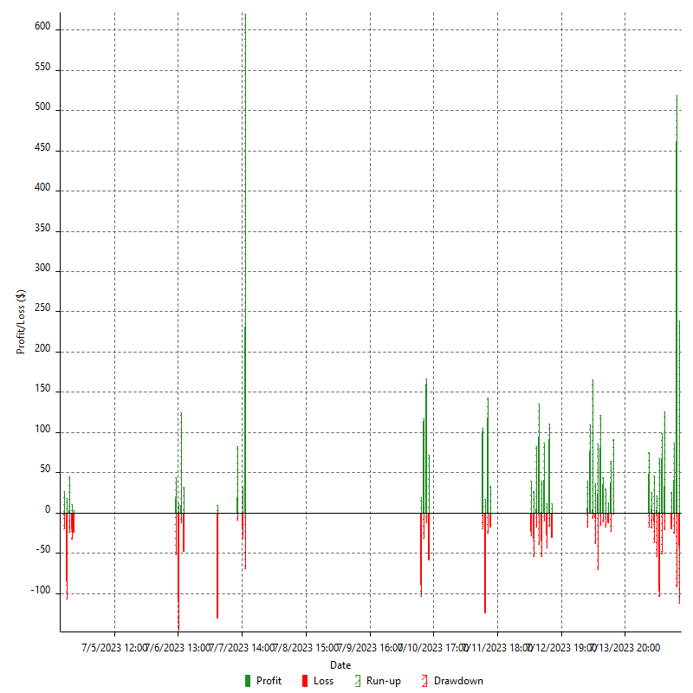

Hourly Returns & Drawdowns (%)

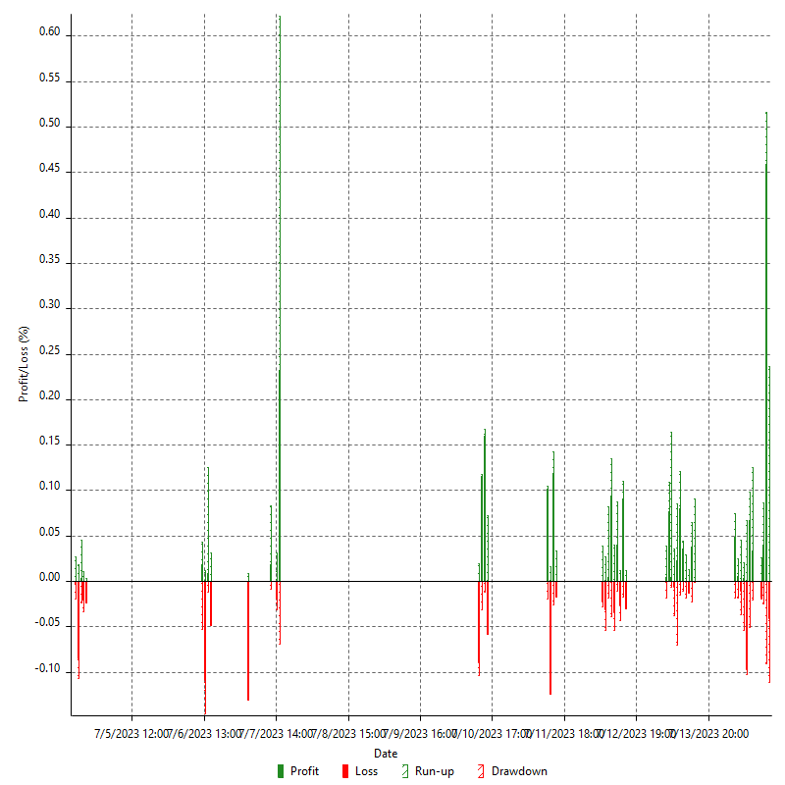

Hourly Accumulative Net Profit

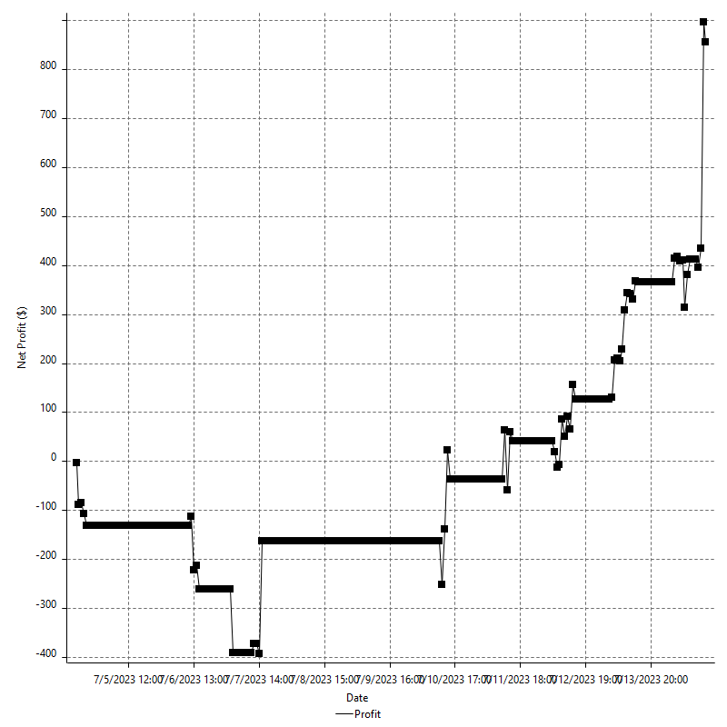

Daily Returns & Drawdowns

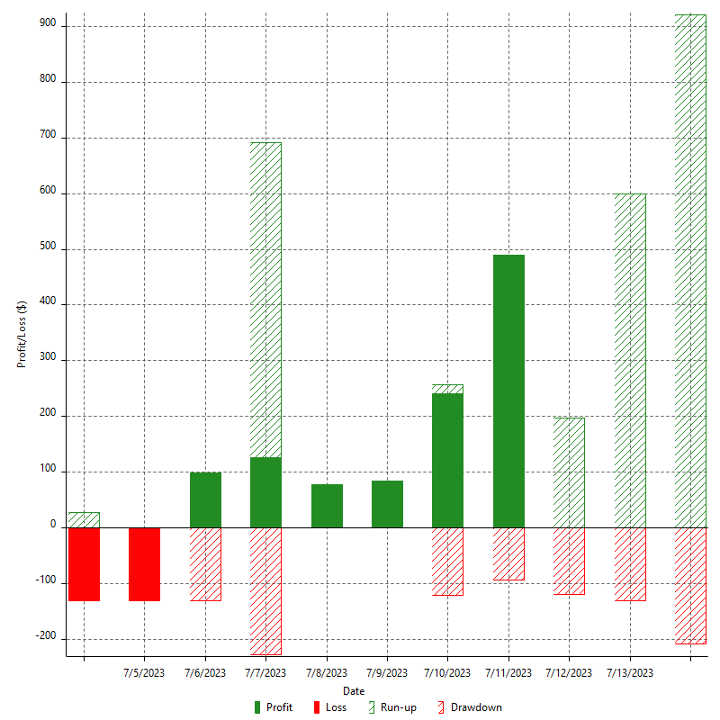

Daily Returns & Drawdowns (%)

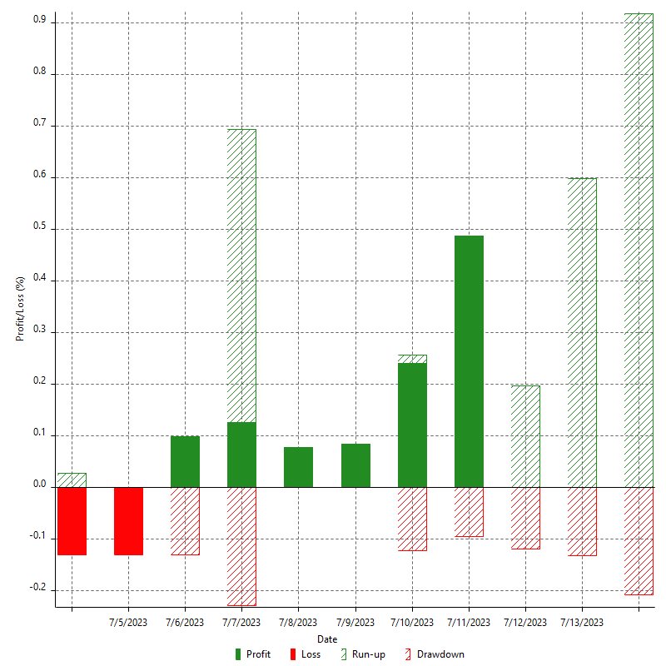

Daily Accumulative Net Profit

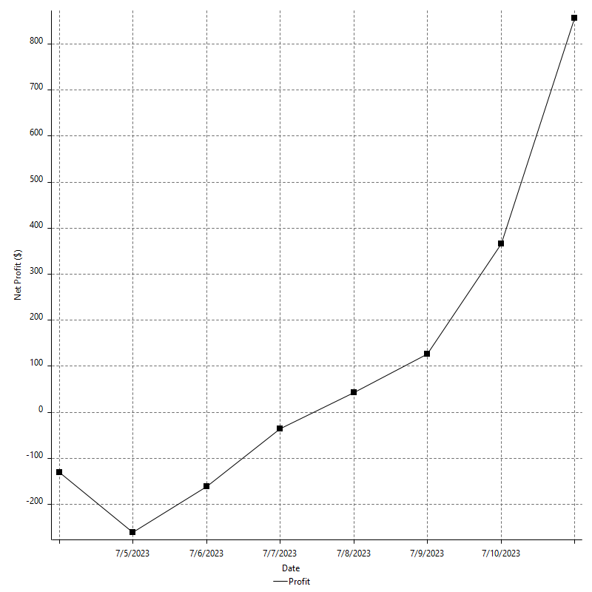

Weekly Returns & Drawdowns

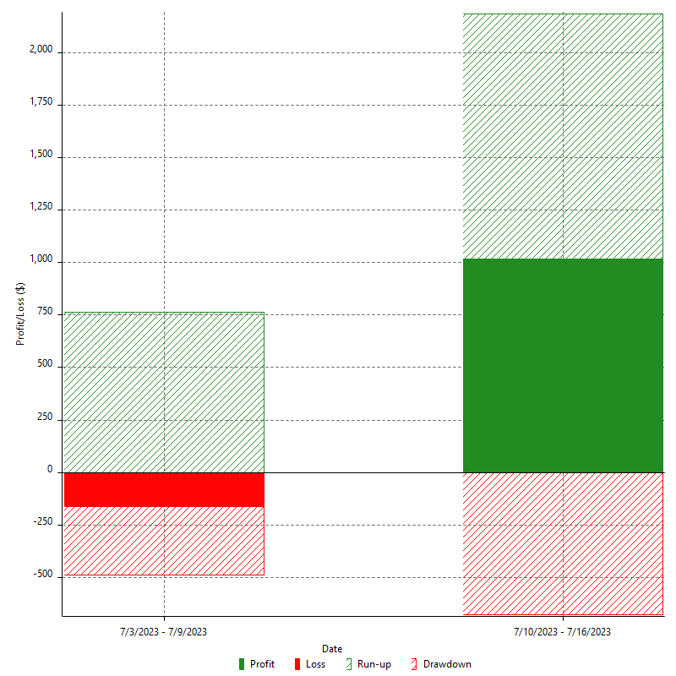

Weekly Returns & Drawdowns (%)

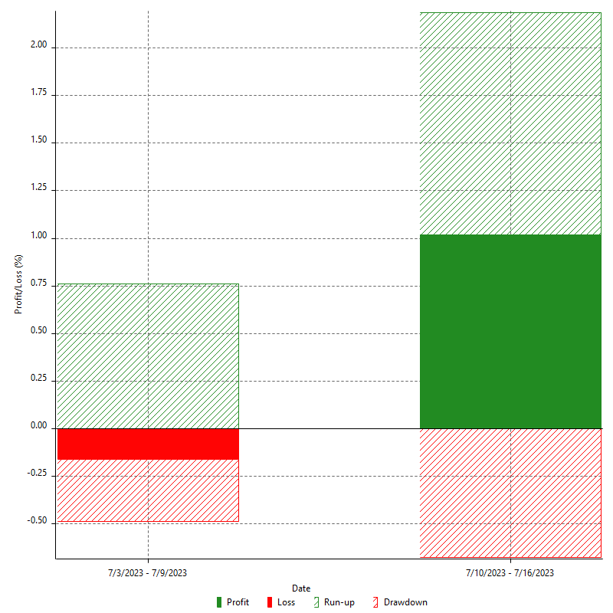

Weekly Accumulative Net Profit

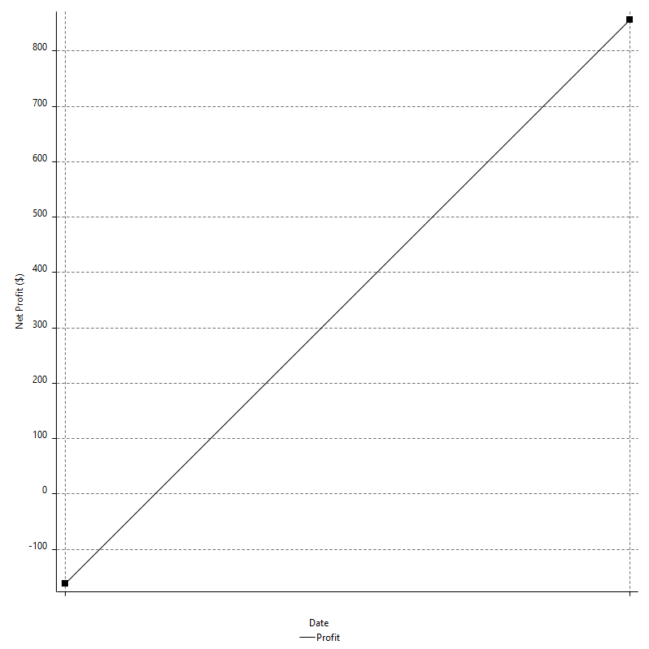

Monthly Returns & Drawdowns

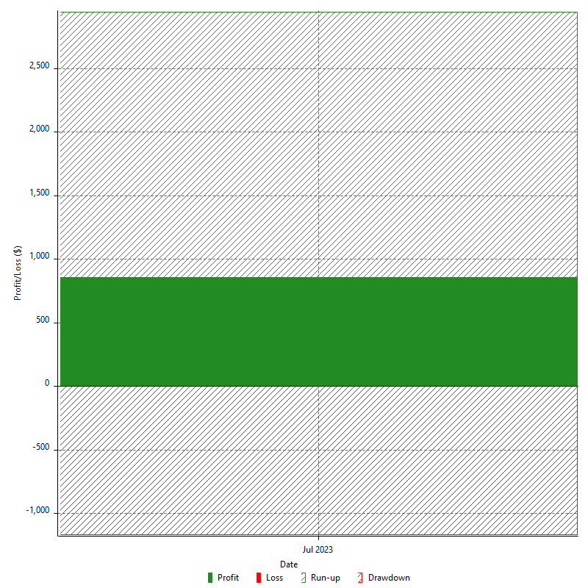

Monthly Returns & Drawdowns (%)



Monthly Accumulative Net Profit



Average Profit By Month

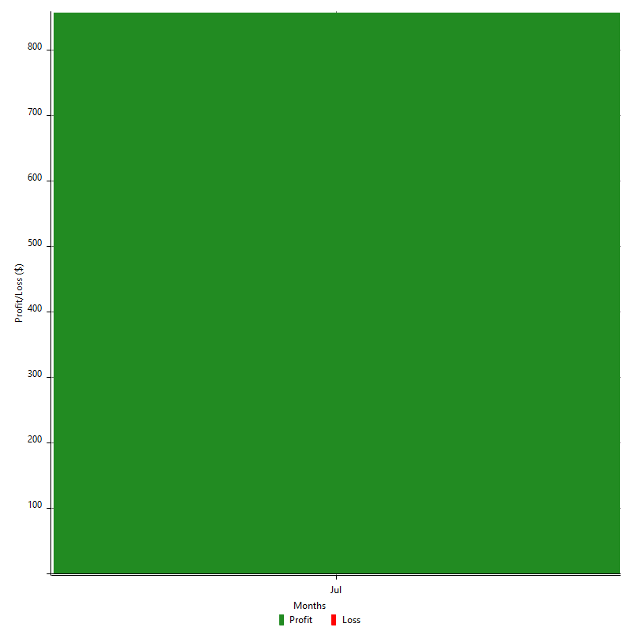

Annual Returns & Drawdowns



Annual Returns & Drawdowns (%)



Annual Accumulative Net Profit

